BUILD Project Cost Est
BUILD INVESTMENT AREAS | Cost | Unit | Quantity | Total
HAINE SCHOOL-COMMONWEALTH
EXCAVATION
Excavation | $25.00 | Cubic Yard | 15,220 | $380,500.00 | $7,482,807.39
Foreign Borrow Excavation | $10.00 | Cubic Yard | 20,434 | $204,340.00
 |  | Total |  | $584,840.00
DRAINAGE
18" HDPE | $70.00 | Linear Feet | 2,700 | $189,000.00
24" HDPE | $75.00 | Linear Feet | 4,380 | $328,500.00
Standard Inlet Box | $2,500.00 | Each | 21 | $52,500.00
Type 4 Inlet Box | $5,000.00 | Each | 21 | $105,000.00
Concrete Box Culvert Extension | $2,800.00 | Linear Feet | 80 | $224,000.00
 |  | Total |  | $899,000.00
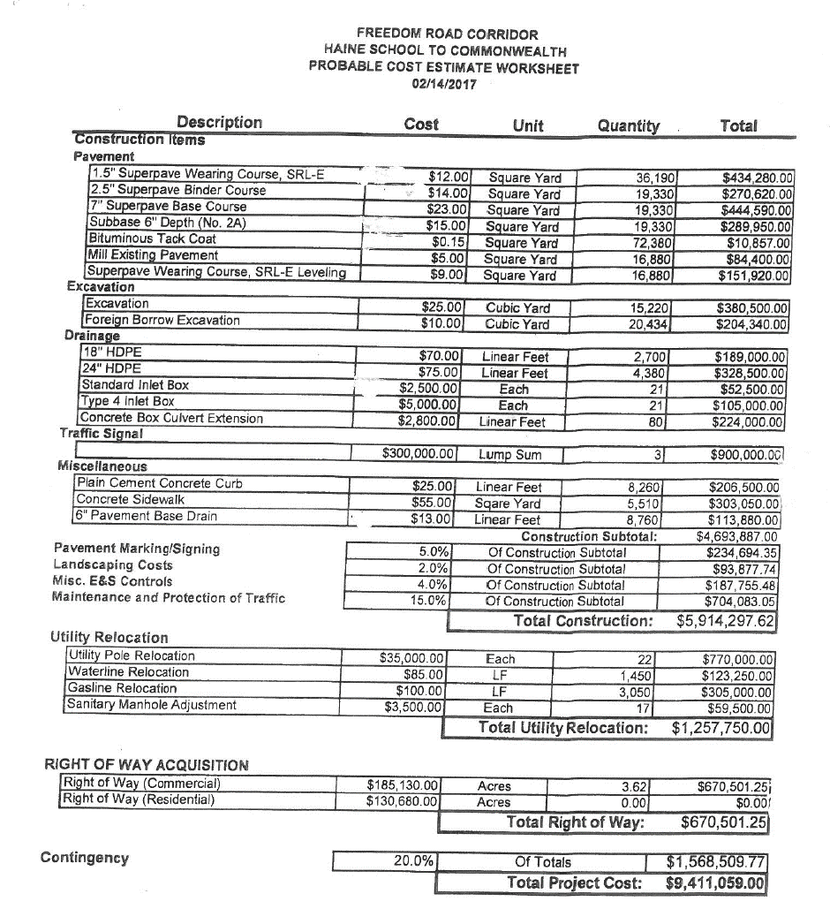
PAVEMENT
1.5" Superpave Wearing Course, SRL-E | $12.00 | Square Yard | 36,190 | $434,280.00
2.5" Superpave Binder Course | $14.00 | Square Yard | 19,330 | $270,620.00
7" Superpave Base Course | $23.00 | Square Yard | 19,330 | $444,590.00
Subbase 6" Depth (No. 2A) | $15.00 | Square Yard | 19,330 | $289,950.00
Bituminous Tack Coat | $0.15 | Square Yard | 72,380 | $10,857.00
Mill Existing Pavement | $5.00 | Square Yard | 16,880 | $84,400.00
Superpave Wearing Course, SRL-E Leveling | $9.00 | Square Yard | 16,880 | $151,920.00
 |  | Total |  | $1,686,617.00
TRAFFIC SIGNALS
 | $300,000.00 | Lump Sum | 3 | $900,000.00
MISCELLANEOUS
Plain Cement Concrete Curb | $25.00 | Linear Feet | 8,260 | $206,500.00
Concrete Sidewalk | $55.00 | Square Yard | 5,510 | $303,050.00
6" Pavement Base Drain | $13.00 | Linear Feet | 8,760 | $113,880.00
 |  | Total |  | $623,430.00
OTHER
Pavement Marking/Signing | 5.00% | % of Subtotals Elements |  | $234,694.35
Landscaping Costs | 2.00% | % of Subtotals Elements |  | $93,877.74
Misc. E&S Controls | 4.00% | % of Subtotals Elements |  | $187,755.48
Maintenance and Protection of Traffic | 15.00% | % of Subtotals Elements |  | $704,083.05
 |  | Total |  | $1,220,410.62
CONTINGENCY
 | 20.00% | % of Totals |  | $1,568,509.77
 |  | TOTAL COST |  | $7,482,807.39 | $5,329,457.62 | $1,257,750.00
BALLS BEND | UNIT | UNIT COST | QUANTITY | COST | $6,587,207.62
ROADWAY
CLEARING AND GRUBBING | LS | $150,000.00 | 1 | $150,000.00
DEMOLITION | LS | $10,000.00 | 1 | $10,000.00
DEMOLITION | LS | $10,000.00 | 1 | $10,000.00
DEMOLITION | LS | $10,000.00 | 1 | $10,000.00
DEMOLITION | LS | $10,000.00 | 1 | $10,000.00
DEMOLITION | LS | $10,000.00 | 1 | $10,000.00
DEMOLITION | LS | $10,000.00 | 1 | $10,000.00
DEMOLITION | LS | $10,000.00 | 1 | $10,000.00
DEMOLITION | LS | $10,000.00 | 1 | $10,000.00
CLASS 1 EXCAVATION | CY | $15.00 | 347291 | $5,209,365.00
SELECTED BORROW 206 ROCK | CY | $53.00 | 5460 | $289,380.00
SUPERPAVE ASPHALT MIXTURE DESIGN, WMA BASE COURSE, PG 64-22, 3 TO < 10 MILLION ESALS, 25.0 MM MIX, 10" DEPTH | SY | $56.00 | 67102 | $3,757,712.00
SUBBASE 8" DEPTH (NO. 2A) | SY | $17.00 | 67102 | $1,140,734.00
SUPERPAVE ASPHALT MIXTURE DESIGN, WMA WEARING COURSE, PG 64-22, 3 TO < 10 MILLION ESALS, 12.5 MM MIX, 1-1/2" DEPTH, SRL-E | SY | $10.00 | 67102 | $671,020.00
SUPERPAVE ASPHALT MIXTURE DESIGN, WMA BINDER COURSE, PG 64-22, 3 TO < 10 MILLION ESALS, 19.0 MM MIX, 2-1/2" DEPTH | SY | $17.00 | 67102 | $1,140,734.00
BITUMINOUS TACK COAT | GAL | $2.50 | 14092 | $35,230.00
18" THERMOPLASTIC PIPE, GROUP I, 15'-1.5' FILL | LF | $125.00 | 3000 | $375,000.00
60" REINFORCED CONCRETE PIPE, TYPE A | LF | $140.00 | 122 | $17,080.00
TYPE S CONCRETE TOP UNIT AND GRATE | SET | $1,100.00 | 16 | $17,600.00
PERMANENT IMPACT ATTENUATING DEVICE. TYPE II, TEST LEVEL 3 (ENERGY ABSORBING TERMINALS, TANGENT) | EACH | $2,200.00 | 16 | $35,200.00
TYPE 31-S GUIDE RAIL | LF | $17.00 | 8100 | $137,700.00
PLAIN CONCRETE MOUNTABLE CURB, TYPE A | LF | $23.00 | 13726 | $315,698.00
SUBTOTAL |  |  |  | $13,372,453.00
MAINTENANCE AND PROTECTION OF TRAFFIC DURING CONSTRUCTION
TEMPORARY TRAFFIC SIGNAL (PORTABLE ONLY) | EACH | $36,000.00 | 4 | $144,000.00
TRAFFIC SIGNAL SUPPORT, 50' MASTARM AND ALL COMPONENTS (HARBISON/PARK) |  | $60,000.00 | 4 | $240,000.00
TRAFFIC SIGNAL SUPPORT, 50' MASTARM AND ALL COMPONENTS (SR 0228/ROUTE 8) |  | $60,000.00 | 4 | $240,000.00
SUBTOTAL |  |  |  | $624,000.00
SIGNING AND PAVEMENT MARKING DELINEATION
4" WHITE HOT THERMOPLASTIC PAVEMENT MARKINGS | LF | $1.50 | 14550 | $21,825.00
4" YELLOW HOT THERMOPLASTIC PAVEMENT MARKINGS | LF | $1.50 | 14550 | $21,825.00
SUBTOTAL |  |  |  | $43,650.00
STRUCTURE
BRIDGE STRUCTURE, AS DESIGNED (BRIDGE) | LS | $900,000.00 | 1 | $900,000.00
BRIDGE STRUCTURE, AS SESIGNED (CULVERT) | LS | $550,000.00 | 1 | $550,000.00
BRIDGE STRUCTURE, AS DESIGNED (CULVERT) | LS | $600,000.00 | 1 | $600,000.00
BRIDGE STRUCTURE, AS DESIGNED (BRIDGE) | LS | $1,700,000.00 | 1 | $1,700,000.00
REMOVE EXISTING STRUCTURE, SR 228 | LS | $50,000.00 | 1 | $50,000.00
REMOVE EXISTING STRUCTURE, ARCH | LS | $125,000.00 | 1 | $125,000.00
SUBTOTAL |  |  |  | $3,925,000.00
NO TAB ITEMS
MOBILIZATION (5.5% OF CONSTRUCTION COST) | LS | $988,100.00 | 1 | $988,100.00
CONSTRUCTION SURVEYING, TYPE A | LS | $140,000.00 | 1 | $140,000.00
CONSTRUCTION SURVEYING, TYPE B | LS | $39,000.00 | 1 | $39,000.00
CPM SCHEDULE | LS | $8,150.00 | 1 | $8,150.00
INSPECTOR'S FIELD OFFICE AND INSPECTION FACILITIES, TYPE B | LS | $60,000.00 | 1 | $60,000.00
EQUIPMENT PACKAGE | LS | $20,000.00 | 1 | $20,000.00
TRAFFIC CONTROL DURING CONSTRUCTION (4.0% OF CONSTRUCTION COSTS) | LS | $718,700.00 | 1 | $718,700.00
ESPC / PCSM (5.5% OF CONSTRUCTION COST) | LS | $988,100.00 | 1 | $988,100.00
STREAM RELOCATION | LS | $150,000.00 | 1 | $150,000.00
SUBTOTAL |  |  |  | $3,112,050.00
PROJECT SUB-TOTAL: |  |  |  | $21,077,153.00 | $15,348,408.00 | 570100
CONSTRUCTION INSPECTION/MANAGEMENT (@ 10% OF COSTS): |  |  |  | $2,107,715.30 | $15,918,508.00
CONTINGENCY (@20% OF COSTS): |  |  |  | $4,215,430.60
TOTAL COST: |  |  |  | $27,400,300.00

 | TOTAL BUILD INVESTMENT PROJECT |  |  | $34,883,107.39
 | (Not including engineering or right-of-way acquisition)

