Route 228 Development Opps
Development # 1 MSA Thruway - $14,769,208.26 (Construction, One-Time Impact - Not Started)

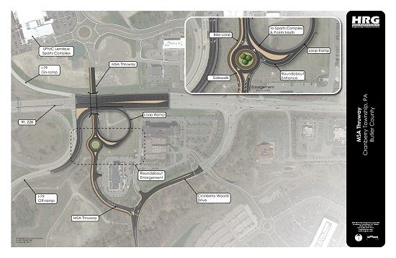
Source: Cranberry Township, 2018 (HRG Engineering) |  | IMPLAN Code: 56

Total Impact Sumary
Impact Type | Employment | Labor Income ($) | Value Added ($) | Output ($)
Direct Effect | 86.84 | $5,196,506.27 | $6,758,496.39 | $14,769,208.26
Indirect Effect | 24.28 | $1,402,263.64 | $2,299,470.67 | $4,354,415.06
Induced Effect | 32.06 | $1,346,697.45 | $2,344,694.03 | $4,000,371.85
Total Effect | 143.18 | $7,945,467.37 | $11,402,661.09 | $23,123,995.17

Employee Compensation
 | Direct ($) | Indirect ($) | Induced ($) | Total ($)
Total | $3,928,191 | $1,237,030 | $1,180,818 | $6,346,039

Tax Impact - State and Local
Description | Employee Compensation | Tax on Production and Imports | Households | Corporations | Estimated State Taxes
Dividends |  |  |  | $1,190.96
Social Ins Tax- Employee Contribution | $707.17
Social Ins Tax- Employer Contribution | $1,481.32
TOPI: Sales Tax |  | $25,151.60 |  |  | $25,151.60
TOPI: Property Tax |  | $18,217.62
TOPI: Motor Vehicle Lic |  | $433.42 |  |  | $433.42
TOPI: Other Taxes |  | $3,955.70 |  |  | $3,955.70
TOPI: S/L NonTaxes |  | $140.63 |  |  | $140.63
Corporate Profits Tax |  |  |  | $17,162.15
Personal Tax: Income Tax |  |  | $108,578.46 |  | $36,192.82
Personal Tax: NonTaxes (Fines- Fees |  |  | $12,333.46 |  | $12,333.46
Personal Tax: Motor Vehicle License |  |  | $4,287.10 |  | $4,287.10
Personal Tax: Property Taxes |  |  | $1,757.33
Personal Tax: Other Tax (Fish/Hunt) |  |  | $2,684.73 |  | $2,684.73
Total | $2,188.50 | $47,898.96 | $129,641.09 | $18,353.11 | $85,179.47

Development # 2 Cranberry Springs (Construction and Operations - Under Construction)

Source: Cranberry Township Business Hub, CRIZ Projections 2015

Construction Costs (Estimated)
Vertical Construction - Description | Total Square Feet | Private Investment |  | Land Acquisition Investment
UPMC Lemieux Sports Complex -Ice Facility | 109,000 | $46,870,000 |  | Total Developed Acres | 118.00 | acres
UPMC Lemieux Sports Complex -Office | 32,600 | $4,629,852 |  | Estimated Land Market Value per Acre | $400,000 | per acre
UPMC Lemieux Sports Complex - Medical Office | 48,400 | $18,229,860 |  | Estimated Land Market Value | $47,200,000
Office | 150,000 | $21,303,000
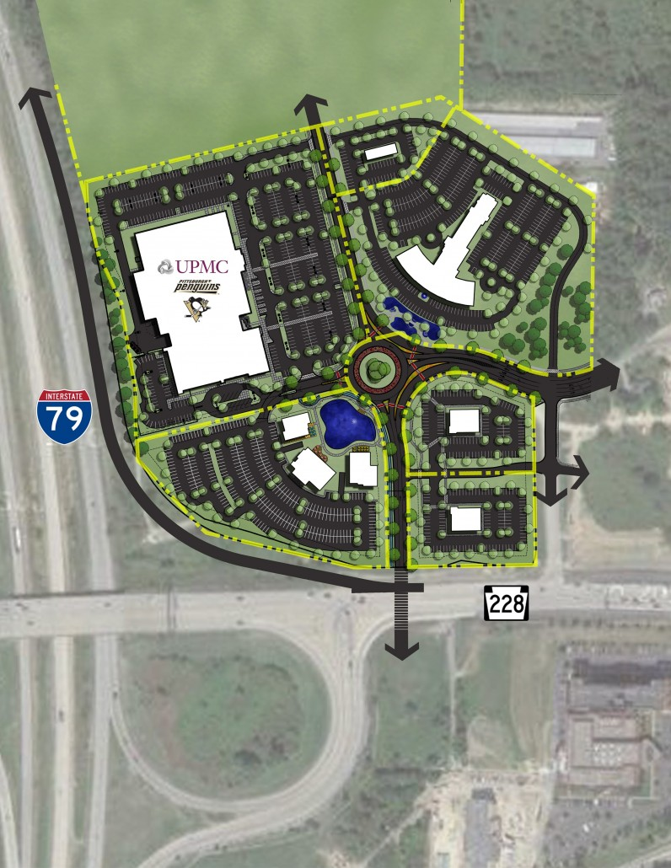
Office | 150,000 | $21,303,000
Office | 100,000 | $14,202,000
Office | 100,000 | $14,202,000
Office | 100,000 | $14,202,000
Restaurant | 7,500 | $1,992,750
Restaurant | 5,000 | $1,328,500
Restaurant | 5,000 | $1,328,500
Restaurant | 7,500 | $1,992,750 |  | Total Land Investment | $47,200,000
Restaurant | 5,000 | $1,328,500 |  | Total Construction Investment | $239,823,210
Retail | 8,100 | $877,716 |  | TOTAL PRIVATE INVESTMENT | $287,023,210
Retail | 8,100 | $877,716
Hotel | 59,650 | $9,617,966
Medical/Office | 174,000 | $65,537,100
TOTAL | 1,069,850 | $239,823,210

 |  | IMPLAN Codes: 52 and 57

Total Impact Sumary
Impact Type | Employment | Labor Income ($) | Value Added ($) | Output ($)
Direct Effect | 1,738.26 | $101,680,086.07 | $130,545,846.86 | $239,823,210.00
Indirect Effect | 268.77 | $16,740,396.05 | $25,600,417.46 | $46,348,246.94
Induced Effect | 576.67 | $24,228,523.79 | $42,168,233.43 | $71,957,179.76
Total Effect | 2,583.70 | $142,649,005.91 | $198,314,497.74 | $358,128,636.70

Employee Compensation
 | Direct ($) | Indirect ($) | Induced ($) | Total ($)
Total | $82,848,332.00 | $14,787,624.00 | $21,244,347.00 | $118,880,304.00

Tax Impact - State and Local
Description | Employee Compensation | Tax on Production and Imports | Households | Corporations | Estimated State Taxes
Dividends |  |  |  | $21,515.01
Social Ins Tax- Employee Contribution | $14,914.77
Social Ins Tax- Employer Contribution | $31,242.18
TOPI: Sales Tax |  | $754,540.51 |  |  | $754,540.51
TOPI: Property Tax |  | $546,523.06
TOPI: Motor Vehicle Lic |  | $13,002.42 |  |  | $13,002.42
TOPI: Other Taxes |  | $118,669.79 |  |  | $118,669.79
TOPI: S/L NonTaxes |  | $4,218.76 |  |  | $4,218.76
Corporate Profits Tax |  |  |  | $310,039.16
Personal Tax: Income Tax |  |  | $2,114,299.31 |  | $704,766.44
Personal Tax: NonTaxes (Fines- Fees |  |  | $240,163.97 |  | $240,163.97
Personal Tax: Motor Vehicle License |  |  | $83,480.77 |  | $83,480.77
Personal Tax: Property Taxes |  |  | $34,219.78
Personal Tax: Other Tax (Fish/Hunt) |  |  | $52,278.61 |  | $52,278.61
Total | $46,157.00 | $1,436,955.00 | $2,524,442.00 | $331,554.00 | $1,971,121.28

Job Creation (Projected) |  |  |  | IMPLAN Code
Vertical Construction - Description | Total Square Feet | Employee Per SF | Total New Jobs
UPMC Lemieux Sports Complex -Ice Facility | 109,000 | - | 100 | 497
UPMC Lemieux Sports Complex -Office | 32,600 | 1,500 | 22 | 462
UPMC Lemieux Sports Complex - Medical Office | 48,400 | 452 | 107 | 475
Office | 150,000 | 359 | 418 | 417,422,423,424,425,429,430,431,433,434,435,437,438,440,447,448,449,450,451,453,460,455,456,457,458,459,460,461,464,466,462,463,465,467,468,470,452
Office | 150,000 | 359 | 418
Office | 100,000 | 359 | 279
Office | 100,000 | 359 | 279
Office | 100,000 | 359 | 279
Restaurant | 7,500 | 248 | 30 | 501
Restaurant | 5,000 | 248 | 20 | 502
Restaurant | 5,000 | 248 | 20 | 502
Restaurant | 7,500 | 248 | 30 | 501
Restaurant | 5,000 | 248 | 20 | 501
Retail | 8,100 | 382 | 21 | 405
Retail | 8,100 | 382 | 21 | 405
Hotel | 59,650 | 1,429 | 42 | 499
Medical/Office | 174,000 | 452 | 385 | 475
TOTAL | 1,069,850 |  | 2,490

Total Impact Sumary
Impact Type | Employment | Labor Income ($) | Value Added ($) | Output ($)
Direct Effect | 2,490.00 | $176,642,304.62 | $214,210,418.64 | $375,650,568.80
Indirect Effect | 888.27 | $43,697,861.19 | $63,006,970.85 | $116,335,110.35
Induced Effect | 1,078.39 | $45,336,292.64 | $78,840,961.63 | $134,588,311.87
Total Effect | 4,457.66 | $265,676,458.45 | $356,058,351.11 | $626,573,991.03

Employee Compensation
 | Direct ($) | Indirect ($) | Induced ($) | Total ($)
Total | $165,741,615 | $36,639,144.00 | $39,753,065.00 | $242,133,824.00

Tax Impact - State and Local
Description | Employee Compensation | Tax on Production and Imports | Households | Corporations | Estimated State Taxes
Dividends |  |  |  | $21,842.39
Social Ins Tax- Employee Contribution | $29,837.63
Social Ins Tax- Employer Contribution | $62,501.32
TOPI: Sales Tax |  | $4,593,923.53 |  |  | $4,593,923.53
TOPI: Property Tax |  | $3,327,435.71
TOPI: Motor Vehicle Lic |  | $79,163.59 |  |  | $79,163.59
TOPI: Other Taxes |  | $722,505.89 |  |  | $722,505.89
TOPI: S/L NonTaxes |  | $25,685.39 |  |  | $25,685.39
Corporate Profits Tax |  |  |  | $314,756.79
Personal Tax: Income Tax |  |  | $3,635,656.08 |  | $1,211,885.36
Personal Tax: NonTaxes (Fines- Fees |  |  | $412,975.37 |  | $412,975.37
Personal Tax: Motor Vehicle License |  |  | $143,549.86 |  | $143,549.86
Personal Tax: Property Taxes |  |  | $58,842.82
Personal Tax: Other Tax (Fish/Hunt) |  |  | $89,896.00 |  | $89,896.00
Total | $92,338.95 | $8,748,714.10 | $4,340,920.12 | $336,599.18 | $7,279,584.98

Development # 3 The Village of Cranberry Woods (Construction and Operations - Under Construction)

Source: Cranberry Township Business Hub, RSMeans Square Foot Costs, 2018 Edition, https://www.loopnet.com/Attachments/B/3/9/B39280AF-63F4-481F-AA2B-53E03DB3CC9A.pdf

Restaurant (5,000 SF) | % of Total | Cost Per SF | Cost
Total |  | $155.84 | $779,200
Contractor Fees (GC,Overhead,Profit) | 25% | $38.96 | $194,800
Architectural Fees | 7% | $13.64 | $68,180
Total Building Cost |  | $208.44 | $1,042,180

Restaurant (5,500 SF) | % of Total | Cost Per SF | Cost
Total |  | $155.84 | $857,120
Contractor Fees (GC,Overhead,Profit) | 25% | $38.96 | $214,280
Architectural Fees | 7% | $13.64 | $74,998
Total Building Cost |  | $208.44 | $1,146,398

Restaurant (3,500 SF) | % of Total | Cost Per SF | Cost
Total |  | $161.46 | $565,110
Contractor Fees (GC,Overhead,Profit) | 25% | $40.37 | $141,278
Architectural Fees | 7% | $14.13 | $49,447
Total Building Cost |  | $215.95 | $755,835

Restaurant (4,000 SF) | % of Total | Cost Per SF | Cost
Total |  | $161.46 | $645,840
Contractor Fees (GC,Overhead,Profit) | 25% | $40.37 | $161,460
Architectural Fees | 7% | $14.13 | $56,511
Total Building Cost |  | $215.95 | $863,811

Restaurant (7,000 SF) | % of Total | Cost Per SF | Cost
Total |  | $155.84 | $1,090,880
Contractor Fees (GC,Overhead,Profit) | 25% | $38.96 | $272,720
Architectural Fees | 7% | $13.64 | $95,452
Total Building Cost |  | $208.44 | $1,459,052

Bank (3,500 SF) | % of Total | Cost Per SF | Cost
Total |  | $192.21 | $672,735
Contractor Fees (GC,Overhead,Profit) | 25% | $48.05 | $168,184
Architectural Fees | 8% | $19.22 | $67,274
Total Building Cost |  | $259.48 | $908,192

Long Term Care Facility (235,724) | % of Total | Cost Per SF | Cost
Total |  | $160.05 | $37,727,626
Contractor Fees (GC,Overhead,Profit) | 25% | $40.01 | $9,431,907
Architectural Fees | 11% | $22.01 | $5,187,549
Total Building Cost |  | $222.07 | $52,347,081

Hotel (124 Rooms) 80,600 SF | % of Total | Cost Per SF | Cost |  | Hotel Assumptions
Total |  | $145.47 | $11,724,882 |  | 1. 650 SF per hotel room, including common areas and facility support spaces. (Based on existing hotel averages in Cranberry Township)
Contractor Fees (GC,Overhead,Profit) | 25% | $36.37 | $2,931,221
Architectural Fees | 6% | $10.91 | $879,366
Total Building Cost |  | $192.75 | $15,535,469

Hotel (107 Rooms) 69,550 SF | % of Total | Cost Per SF | Cost
Total |  | $145.47 | $10,117,439
Contractor Fees (GC,Overhead,Profit) | 25% | $36.37 | $2,529,360
Architectural Fees | 6% | $10.91 | $758,808
Total Building Cost |  | $192.75 | $13,405,606

Office/Mixed Commercial/Retail, 3 Story (25,350 SF) | % of Total | Cost Per SF | Cost
Total |  | $126.67 | $3,211,085
Contractor Fees (GC,Overhead,Profit) | 25% | $31.67 | $802,771
Architectural Fees | 8% | $12.67 | $321,108
Total Building Cost |  | $171.00 | $4,334,964

Office/Mixed Commerical/Retail (24,200 SF) | % of Total | Cost Per SF | Cost
Total |  | $126.67 | $3,065,414
Contractor Fees (GC,Overhead,Profit) | 25% | $31.67 | $766,354
Architectural Fees | 8% | $12.67 | $306,541
Total Building Cost |  | $171.00 | $4,138,309

Office/Mixed Commercial/Retail (24,200 SF) | % of Total | Cost Per SF | Cost |  | Residential Assumptions
Total |  | $126.67 | $3,065,414 |  | 1. According to Cranberry Township's 2018 Market Analysis, the following is a breakdown of new housing development trends: A. Single Family Detached - 38% B. Single Family Attached - 14.1% (26.1%) C. Multi-Story/Multiple Family - 40% (73.8%) D. Mobile Home - 8.1% 2. Mobile homes and single-family detached units were excluded from this analysis as the residential component of the planned development is limited to townhomes and apartments. A. Single Family Attached - (26.1%) B. Multi-Story/Multiple Family - (73.8%) 3. For the purposes of this analysis, the proposed apartments are estimated at 1,150 SF (average 2 bedroom, 2 bath apartment in Cranberry Township). Comparables include Eden Square Apartments and Foxmoor Apartments. The proposed townhomes/condos are estimated at 2,100 SF (average 2 bedroom, 2 bath townhome in Cranberry Township. Comparables include Bellevue Park and The Reserve at Eagle Hill. Average cost of new townhomes in Cranberry Township ranges from $274,000-$311,000
...
Tax Impact - State and Local
Personal Tax: NonTaxes (Fines- Fees |  |  | $76,849.16 |  | $76,849.16
Personal Tax: Motor Vehicle License |  |  | $26,712.70 |  | $26,712.70
Personal Tax: Property Taxes |  |  | $10,949.86
Personal Tax: Other Tax (Fish/Hunt) |  |  | $16,728.44 |  | $16,728.44
Total | $17,623.32 | $3,084,264.06 | $807,786.86 | $81,913.09 | $2,338,931.77

Development # 4: 1656 Route 228, Cranberry Township - Retail Development (Source: Cranberry Township Business Hub)

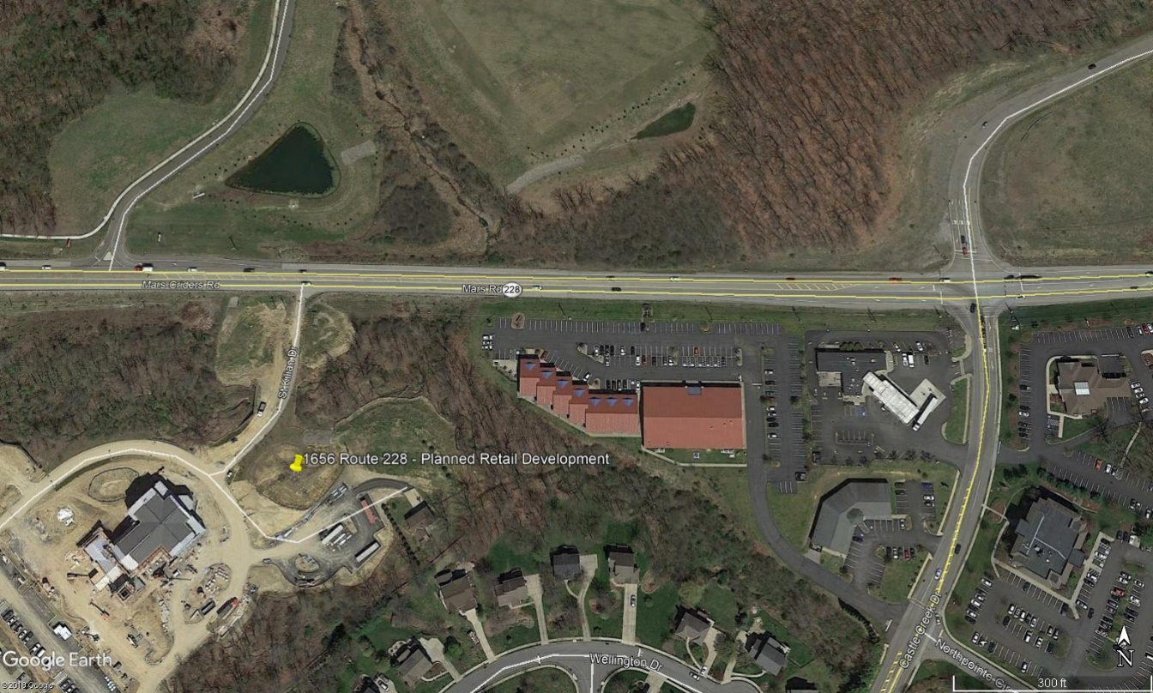
Retail - 11,000 SF | % of Total | Cost Per SF | Cost
Total |  | $94.78 | $1,042,580
Contractor Fees (GC,Overhead,Profit) | 25% | $23.70 | $260,645
Architectural Fees | 8% | $9.48 | $104,258
Total Building Cost |  | $127.95 | $1,407,483

TOTAL PRIVATE INVESTMENT | $1,407,483 |  | IMPLAN Code 57

Total Impact Sumary
Impact Type | Employment | Labor Income ($) | Value Added ($) | Output ($)
Direct Effect | 10.90 | $630,885.64 | $803,529.21 | $1,407,483.00
Indirect Effect | 1.44 | $92,022.44 | $140,338.29 | $255,981.11
Induced Effect | 3.53 | $148,159.04 | $257,797.87 | $439,965.65
Total Effect | 15.86 | $871,067.12 | $1,201,665.37 | $2,103,429.77

Employee Compensation
 | Direct ($) | Indirect ($) | Induced ($) | Total ($)
Total | $535,082.00 | $81,550.00 | $129,911.00 | $746,543.00

Tax Impact - State and Local
Description | Employee Compensation | Tax on Production and Imports | Households | Corporations | Estimated State Taxes
Dividends |  |  |  | $127.36
Social Ins Tax- Employee Contribution | $96.33
Social Ins Tax- Employer Contribution | $201.78
TOPI: Sales Tax |  | $5,284.45 |  |  | $5,284.45
TOPI: Property Tax |  | $3,827.59
TOPI: Motor Vehicle Lic |  | $91.06 |  |  | $91.06
TOPI: Other Taxes |  | $831.11 |  |  | $831.11
TOPI: S/L NonTaxes |  | $29.55 |  |  | $29.55
Corporate Profits Tax |  |  |  | $1,835.36
Personal Tax: Income Tax |  |  | $13,082.36 |  | $4,360.79
Personal Tax: NonTaxes (Fines- Fees |  |  | $1,486.03 |  | $1,486.03
Personal Tax: Motor Vehicle License |  |  | $516.54 |  | $516.54
Personal Tax: Property Taxes |  |  | $211.74
Personal Tax: Other Tax (Fish/Hunt) |  |  | $323.48 |  | $323.48
Total | $298.11 | $10,063.75 | $15,620.14 | $1,962.72 | $12,923.00

Job Creation (Projected) |  |  |  | IMPLAN Code(s)
Planned Development - Description | Total Square Feet | Employee Per SF | Total New Jobs
Retail | 11,000 | 382 | 29 | 396,397,398,399,400,401,402,403,404,405,406,407
...
Tax Impact - State and Local
Personal Tax: Income Tax |  |  | $19,850.45 |  | $6,616.82
Personal Tax: NonTaxes (Fines- Fees |  |  | $2,254.82 |  | $2,254.82
Personal Tax: Motor Vehicle License |  |  | $783.77 |  | $783.77
Personal Tax: Property Taxes |  |  | $321.28
Personal Tax: Other Tax (Fish/Hunt) |  |  | $490.83 |  | $490.83
Total | $456.10 | $159,861.54 | $23,701.14 | $1,955.89 | $109,206.95

Development # 5: Franklin Road and Route 228 Intersection (Southside) (Source: LoopNet)

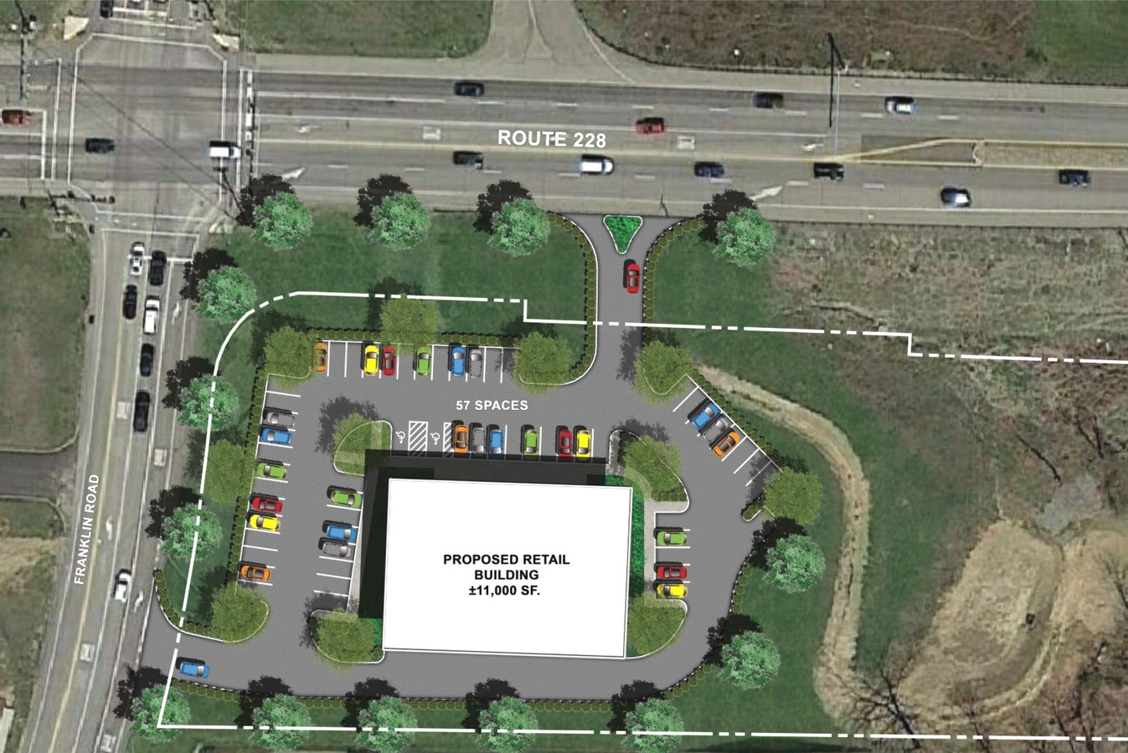
Retail - 11,000 SF | % of Total | Cost Per SF | Cost
Total |  | $94.78 | $1,042,580
Contractor Fees (GC,Overhead,Profit) | 25% | $23.70 | $260,645
Architectural Fees | 8% | $9.48 | $104,258
Total Building Cost |  | $127.95 | $1,407,483

TOTAL PRIVATE INVESTMENT | $1,407,483 |  | IMPLAN Code 57

Total Impact Sumary
Impact Type | Employment | Labor Income ($) | Value Added ($) | Output ($)
Direct Effect | 10.90 | $630,885.64 | $803,529.21 | $1,407,483.00
Indirect Effect | 1.44 | $92,022.44 | $140,338.29 | $255,981.11
Induced Effect | 3.53 | $148,159.04 | $257,797.87 | $439,965.65
Total Effect | 15.86 | $871,067.12 | $1,201,665.37 | $2,103,429.77

Employee Compensation
 | Direct ($) | Indirect ($) | Induced ($) | Total ($)
Total | $535,082.00 | $81,550.00 | $129,911.00 | $746,543.00

Tax Impact - State and Local
Description | Employee Compensation | Tax on Production and Imports | Households | Corporations | Estimated State Taxes
Dividends |  |  |  | $127.36
Social Ins Tax- Employee Contribution | $96.33
Social Ins Tax- Employer Contribution | $201.78
TOPI: Sales Tax |  | $5,284.45 |  |  | $5,284.45
TOPI: Property Tax |  | $3,827.59
TOPI: Motor Vehicle Lic |  | $91.06 |  |  | $91.06
TOPI: Other Taxes |  | $831.11 |  |  | $831.11
TOPI: S/L NonTaxes |  | $29.55 |  |  | $29.55
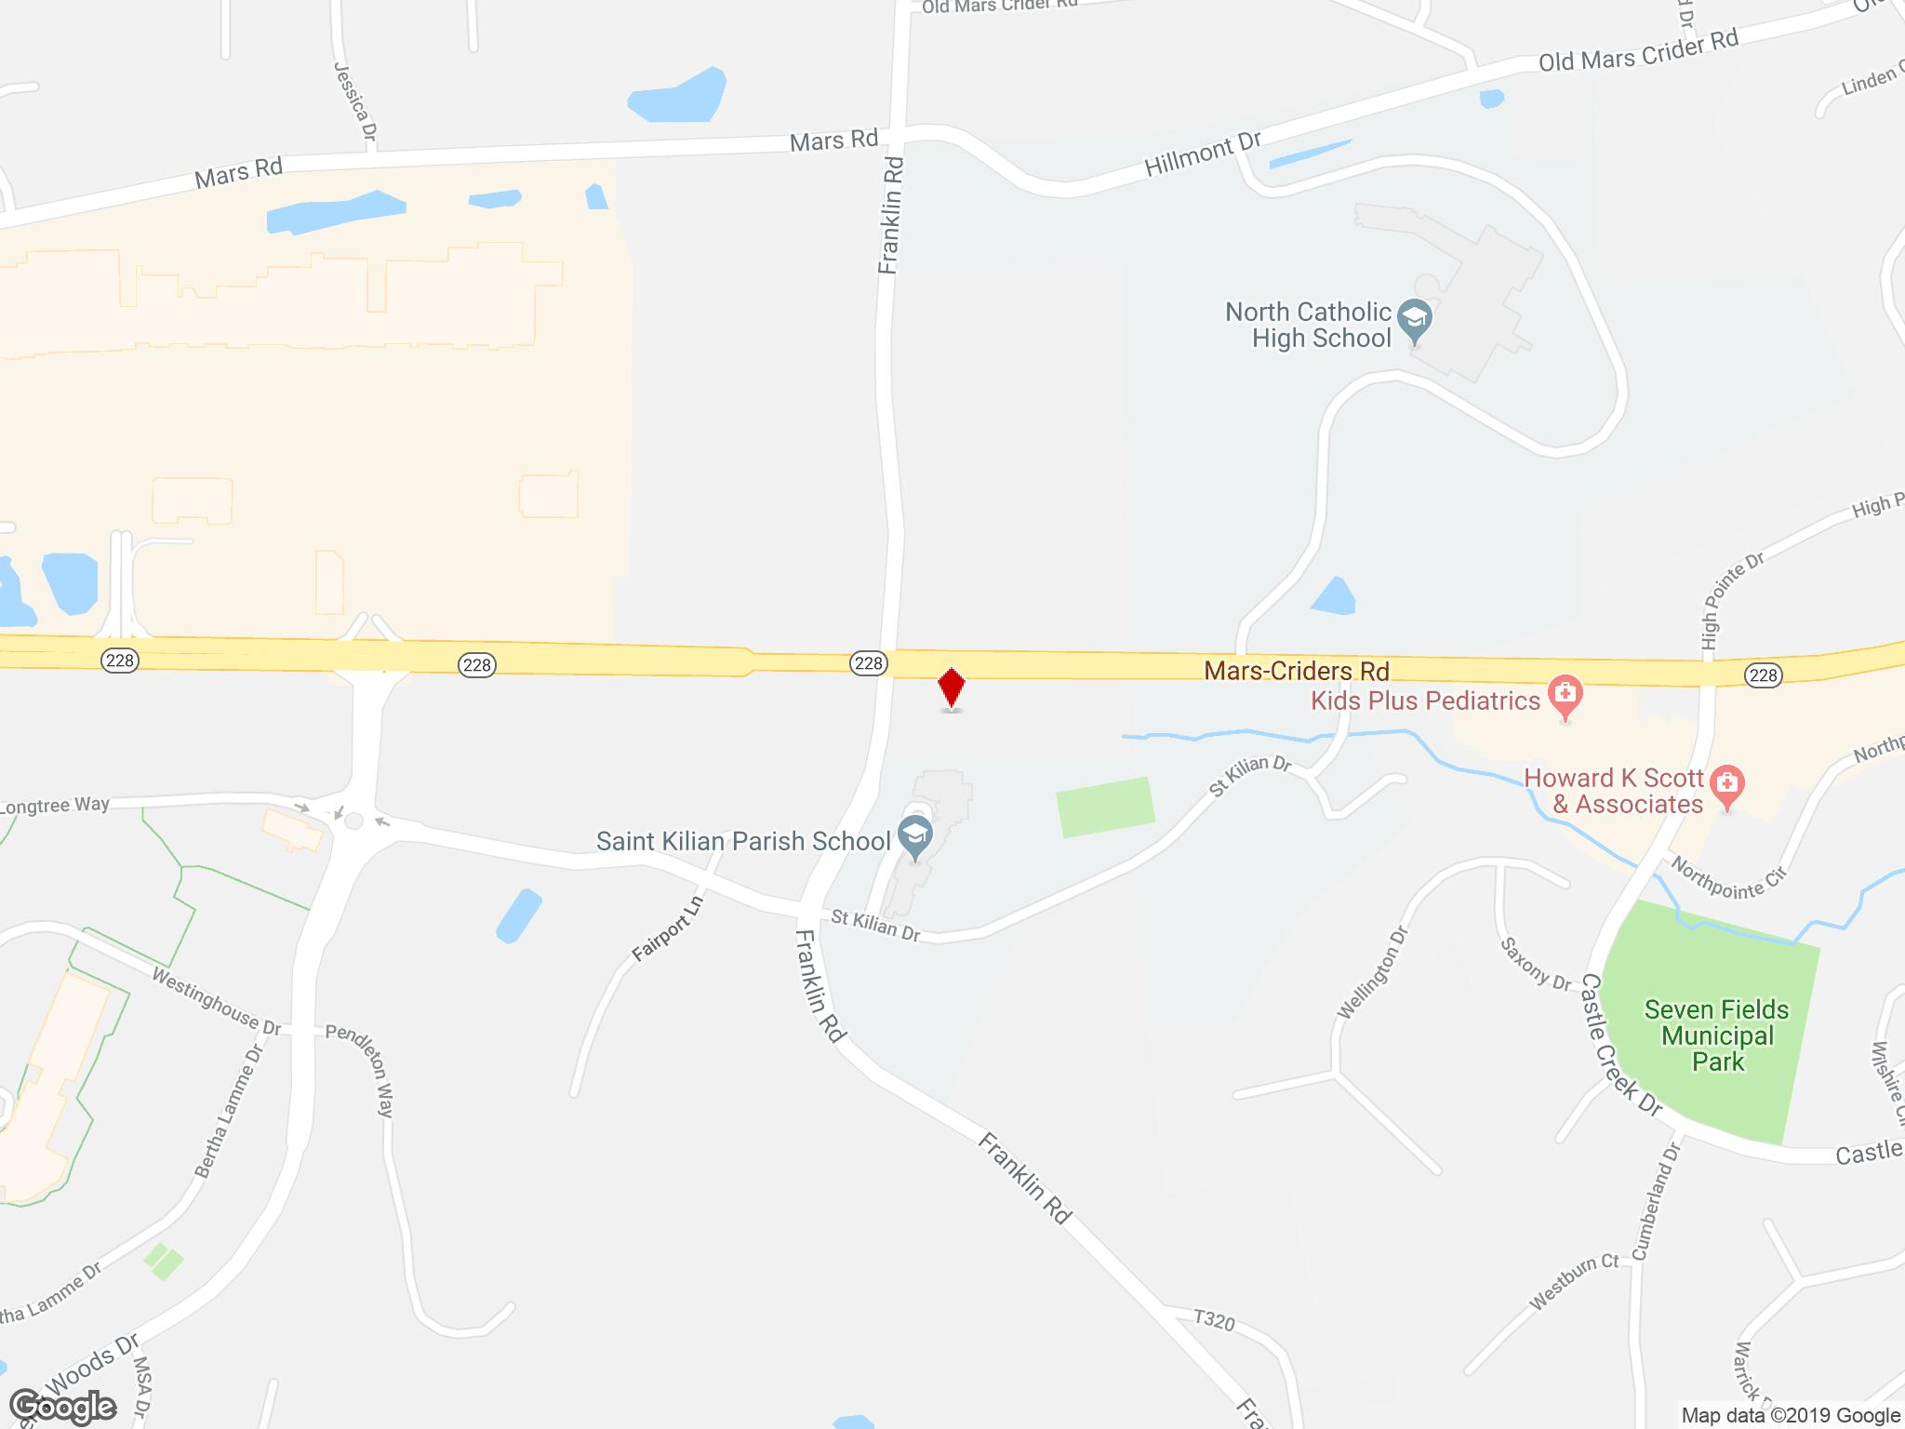
Corporate Profits Tax |  |  |  | $1,835.36
Personal Tax: Income Tax |  |  | $13,082.36 |  | $4,360.79
Personal Tax: NonTaxes (Fines- Fees |  |  | $1,486.03 |  | $1,486.03
Personal Tax: Motor Vehicle License |  |  | $516.54 |  | $516.54
Personal Tax: Property Taxes |  |  | $211.74
Personal Tax: Other Tax (Fish/Hunt) |  |  | $323.48 |  | $323.48
Total | $298.11 | $10,063.75 | $15,620.14 | $1,962.72 | $12,923.00

Job Creation (Projected) |  |  |  | IMPLAN Code(s)
Planned Development - Description | Total Square Feet | Employee Per SF | Total New Jobs
Retail | 11,000 | 382 | 29 | 396,397,398,399,400,401,402,403,404,405,406,407

Total Impact Sumary
Impact Type | Employment | Labor Income ($) | Value Added ($) | Output ($)
Direct Effect | 29.00 | $957,793.21 | $1,299,672.09 | $2,180,020.85
Indirect Effect | 4.44 | $223,650.40 | $372,621.58 | $642,377.12
Induced Effect | 5.76 | $242,127.12 | $421,305.06 | $719,010.36
Total Effect | 39.20 | $1,423,570.73 | $2,093,598.73 | $3,541,408.33

Employee Compensation
 | Direct ($) | Indirect ($) | Induced ($) | Total ($)
Total | $818,665.00 | $188,444.00 | $212,306.00 | $1,219,415.00

Tax Impact - State and Local
Description | Employee Compensation | Tax on Production and Imports | Households | Corporations | Estimated State Taxes
Dividends |  |  |  | $126.92
Social Ins Tax- Employee Contribution | $147.38
Social Ins Tax- Employer Contribution | $308.72
TOPI: Sales Tax |  | $83,942.81 |  |  | $83,942.81
TOPI: Property Tax |  | $60,800.82
TOPI: Motor Vehicle Lic |  | $1,446.52 |  |  | $1,446.52
TOPI: Other Taxes |  | $13,202.04 |  |  | $13,202.04
TOPI: S/L NonTaxes |  | $469.34 |  |  | $469.34
Corporate Profits Tax |  |  |  | $1,828.97
Personal Tax: Income Tax |  |  | $19,850.45 |  | $6,616.82
Personal Tax: NonTaxes (Fines- Fees |  |  | $2,254.82 |  | $2,254.82
Personal Tax: Motor Vehicle License |  |  | $783.77 |  | $783.77
Personal Tax: Property Taxes |  |  | $321.28
Personal Tax: Other Tax (Fish/Hunt) |  |  | $490.83 |  | $490.83
Total | $456.10 | $159,861.54 | $23,701.14 | $1,955.89 | $109,206.95

Development # 6: Franklin Road and Route 228 Intersection (Northside) (Source: LoopNet) - Speculative

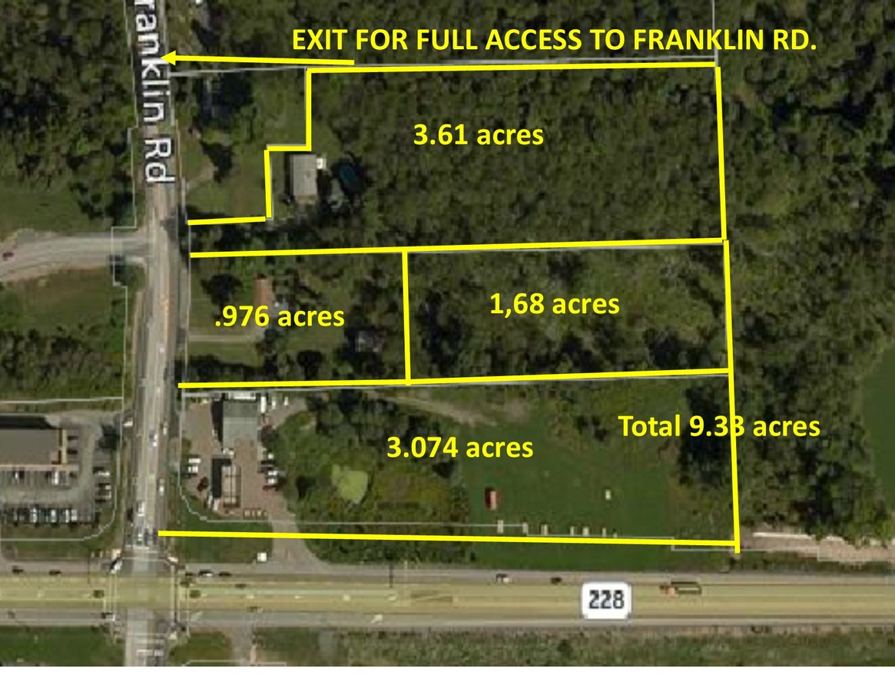
Land Acquisition Investment
Total Acreage Available | 9.33 | acres
Market Value Per Acre | $621,651 | per acre
Land Market Value | $5,800,000

Land Development Assumptions
1. According to Cranberry Township's 2018 Market Analysis, the following industries are the fastest growing and account for the largest number of employees. (For the purposes of this analysis, development of the 9.33 acre parcel is based on the assumption that the site will be home to businesses that are categorized in one of the three leading industries. ) A. Professional, Scientific, and Technical Services B. Retail Trade C. Accomodations and Food Services 2. Developable SF is based on comparable mixed-use developments along Route 228, including Cranberry Springs, Cranberry Commons, Franklin Square, and the Village of Cranberry Woods.

Developable Land
Total Acres | 9.33
Undevelopable Land, Imprevious Surface, Landscaping | 70%
Remaining Land (30%) | 6.53
TOTAL DEVELOPABLE ACRES | 6.53
Available SF per Acre | 2,900
TOTAL DEVELOPMENT - SF | 18,940

Retail - 13,440 SF | % of Total | Cost Per SF | Cost
Total |  | $94.78 | $1,273,843
Contractor Fees (GC,Overhead,Profit) | 25% | $23.70 | $318,461
Architectural Fees | 8% | $9.48 | $127,384
Total Building Cost |  | $127.95 | $1,719,688

Restaurant - 5,500 SF | % of Total | Cost Per SF | Cost
Total |  | $155.84 | $857,120
Contractor Fees (GC,Overhead,Profit) | 25% | $38.96 | $214,280
Architectural Fees | 7% | $13.64 | $74,998
Total Building Cost |  | $208.44 | $1,146,398

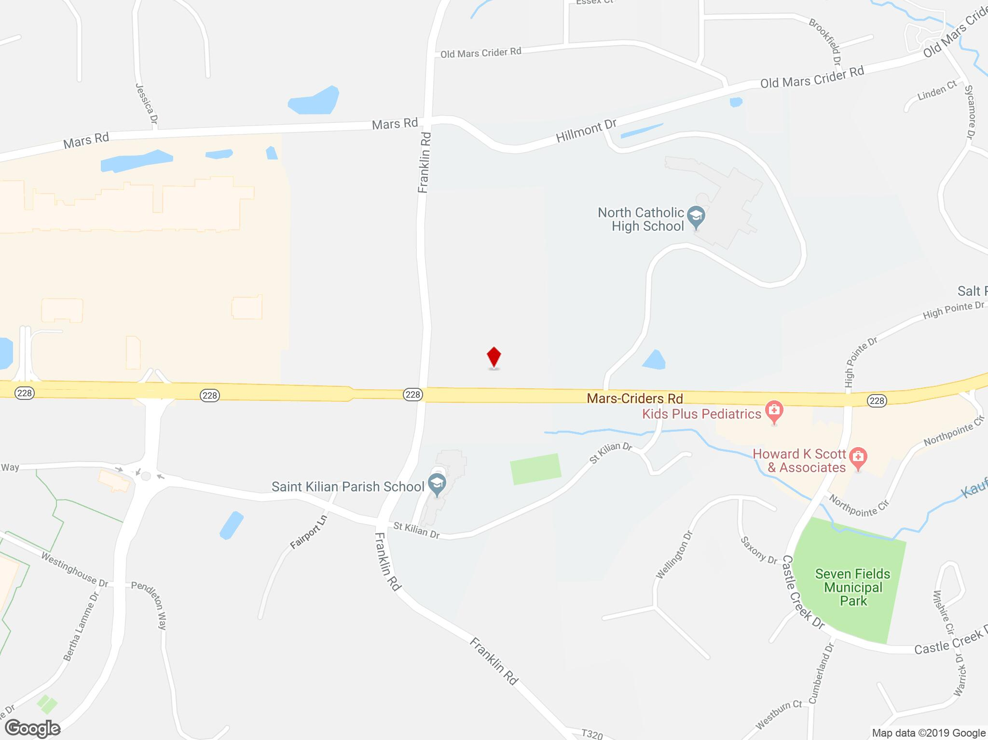
Land Acqusition Costs | $5,800,000
Vertical Consruction | $2,866,086
TOTAL PRIVATE INVESTMENT | $8,666,086.23 |  | IMPLAN Code 57

Total Impact Sumary
Impact Type | Employment | Labor Income ($) | Value Added ($) | Output ($)
Direct Effect | 22.19 | $1,284,685.15 | $1,636,242.73 | $2,866,086.00
Indirect Effect | 2.92 | $187,387.14 | $285,773.69 | $521,259.50
Induced Effect | 7.18 | $301,699.24 | $524,959.00 | $895,910.93
Total Effect | 32.29 | $1,773,771.53 | $2,446,975.42 | $4,283,256.43

Employee Compensation
 | Direct ($) | Indirect ($) | Induced ($) | Total ($)
Total | $1,089,598.00 | $166,062.00 | $264,541.00 | $1,520,201.00

Tax Impact - State and Local
Description | Employee Compensation | Tax on Production and Imports | Households | Corporations | Estimated State Taxes
Dividends |  |  |  | $259.35
Social Ins Tax- Employee Contribution | $196.15
Social Ins Tax- Employer Contribution | $410.89
TOPI: Sales Tax |  | $10,760.82 |  |  | $10,760.82
TOPI: Property Tax |  | $7,794.20
TOPI: Motor Vehicle Lic |  | $185.43 |  |  | $185.43
TOPI: Other Taxes |  | $1,692.40 |  |  | $1,692.40
TOPI: S/L NonTaxes |  | $60.17 |  |  | $60.17
Corporate Profits Tax |  |  |  | $3,737.37
Personal Tax: Income Tax |  |  | $26,639.87 |  | $8,879.96
Personal Tax: NonTaxes (Fines- Fees |  |  | $3,026.03 |  | $3,026.03
Personal Tax: Motor Vehicle License |  |  | $1,051.85 |  | $1,051.85
Personal Tax: Property Taxes |  |  | $431.16
Personal Tax: Other Tax (Fish/Hunt) |  |  | $658.70 |  | $658.70
Total | $607.04 | $20,493.02 | $31,807.61 | $3,996.73 | $26,315.36

Job Creation (Projected) |  |  |  | IMPLAN Code(s)
Planned Development - Description | Total Square Feet | Employee Per SF | Total New Jobs
Retail | 13,440 | 382 | 35 | 396,397,398,399,400,401,402,403,404,405,406,407
Restaurant | 5,500 | 248 | 22 | 501 - Full - Service Restaurants
TOTAL | 18,940 |  | 57

Total Impact Sumary
Impact Type | Employment | Labor Income ($) | Value Added ($) | Output ($)
Direct Effect | 57.00 | $1,555,360.29 | $2,009,850.04 | $3,534,068.12
Indirect Effect | 6.74 | $353,713.96 | $583,032.66 | $1,000,143.84
Induced Effect | 9.33 | $391,944.06 | $681,814.90 | $1,163,743.78
Total Effect | 73.06 | $2,301,018.30 | $3,274,697.60 | $5,697,955.74
...
Tax Impact - State and Local
Personal Tax: Income Tax |  |  | $32,145.17 |  | $10,715.06
Personal Tax: NonTaxes (Fines- Fees |  |  | $3,651.38 |  | $3,651.38
Personal Tax: Motor Vehicle License |  |  | $1,269.22 |  | $1,269.22
Personal Tax: Property Taxes |  |  | $520.27
Personal Tax: Other Tax (Fish/Hunt) |  |  | $794.83 |  | $794.83
Total | $769.91 | $237,921.57 | $38,380.86 | $2,249.62 | $163,862.32

Development # 7: Route 228 and Castle Creek Drive Intersection "Enclave at Highpointe" (Source: Oxford Reality Services) - Speculative

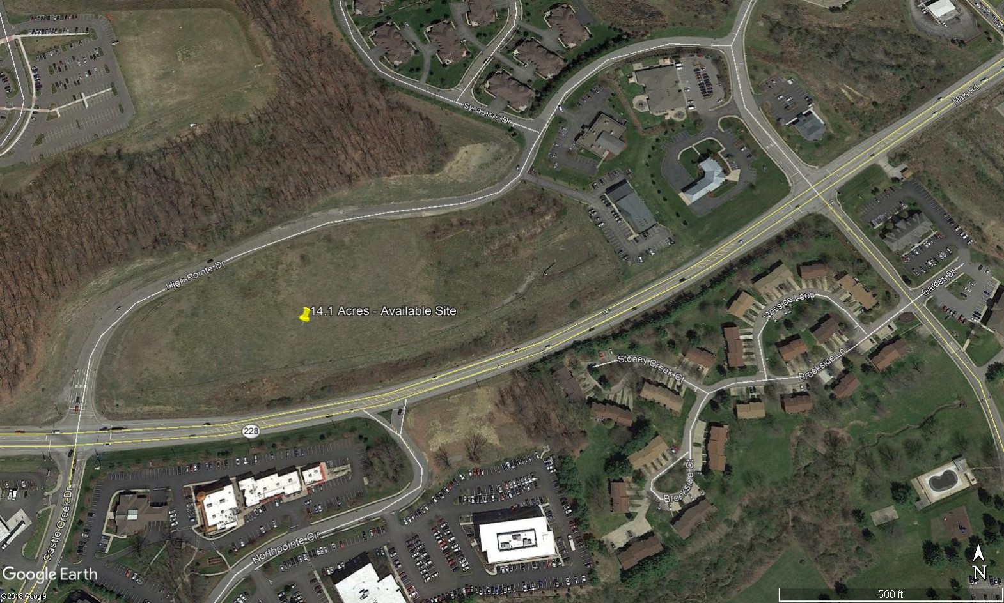
Land Acquisition Investment
Lot 1 | $1,750,000.00 | 0.70 Acres
Lot 2 | $1,800,000.00 | 2.20 Acres
Lot 3 | $1,100,000.00 | 1.38 Acres
Total Market Value and Acres | $4,650,000 | 4.28

Land Use
1. Impact analysis based on preliminary renderings for proposal.

Drive - Thru Eatery 1,799 SF | % of Total | Cost Per SF | Cost
Total |  | $161.46 | $290,467
Contractor Fees (GC,Overhead,Profit) | 25% | $40.37 | $72,617
Architectural Fees | 8% | $16.15 | $29,047
Total Building Cost |  | $217.97 | $392,130

Retail 13,987 SF | % of Total | Cost Per SF | Cost
Total |  | $94.78 | $1,325,688
Contractor Fees (GC,Overhead,Profit) | 25% | $23.70 | $331,422
Architectural Fees | 7% | $8.29 | $115,998
Total Building Cost |  | $126.77 | $1,773,108

Restaurant - 4,614 SF | % of Total | Cost Per SF | Cost
Total |  | $155.84 | $719,046
Contractor Fees (GC,Overhead,Profit) | 25% | $38.96 | $179,761
Architectural Fees | 7% | $13.64 | $62,917
Total Building Cost |  | $208.44 | $961,724

Medical Office Space - 12,000 SF | % of Total | Cost Per SF | Cost
Total |  | $179.88 | $2,158,560
Contractor Fees (GC,Overhead,Profit) | 25% | $44.97 | $539,640
Architectural Fees | 9% | $20.24 | $242,838
Total Building Cost |  | $245.09 | $2,941,038
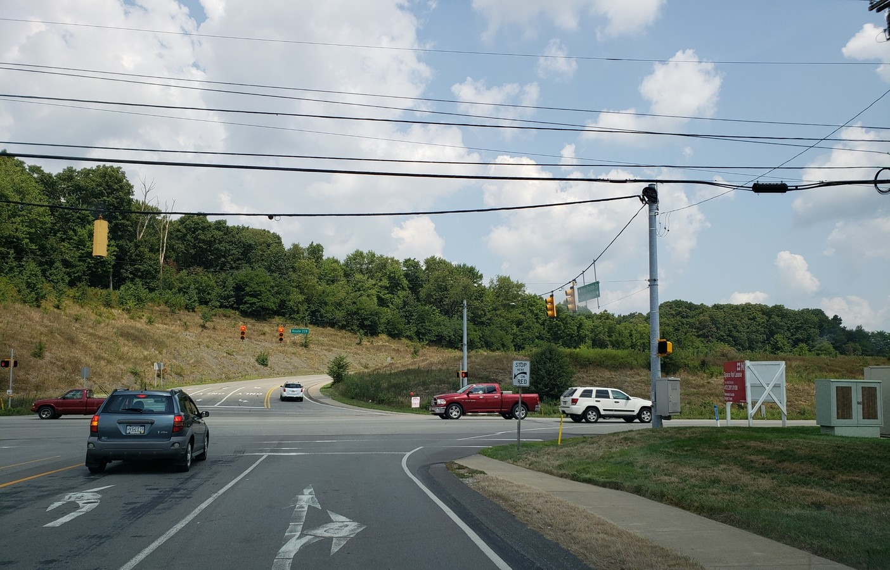
Construction Costs (Estimated)
Vertical Construction - Description | Total Square Feet | Private Investment
Drive - Thru Eatery | 1,799 | $392,129.83
Retail | 13,987 | $1,773,107.51
Restaurant | 4,614 | $961,723.70
Medical Office | 12,000 | $2,941,038.00
TOTAL | 32,400 | $6,067,999.05

Land Acqusition Costs | $4,650,000
Vertical Consruction | $6,067,999
TOTAL PRIVATE INVESTMENT | $10,717,999.05 |  | IMPLAN Codes 52 and 57

Total Impact Sumary
Impact Type | Employment | Labor Income ($) | Value Added ($) | Output ($)
Direct Effect | 42.82 | $2,515,649.40 | $3,240,603.44 | $6,067,999.00
Indirect Effect | 7.04 | $433,966.61 | $664,296.07 | $1,199,489.15
Induced Effect | 14.35 | $603,059.41 | $1,049,693.70 | $1,791,143.98
Total Effect | 64.21 | $3,552,675.42 | $4,954,593.21 | $9,058,632.13

Employee Compensation
 | Direct ($) | Indirect ($) | Induced ($) | Total ($)
Total | $2,014,575.00 | $382,906.00 | $528,781.00 | $2,926,262.00

Tax Impact - State and Local
Description | Employee Compensation | Tax on Production and Imports | Households | Corporations | Estimated State Taxes
Dividends |  |  |  | $542.54
Social Ins Tax- Employee Contribution | $362.67
Social Ins Tax- Employer Contribution | $759.70
TOPI: Sales Tax |  | $17,660.56 |  |  | $17,660.56
TOPI: Property Tax |  | $12,791.76
TOPI: Motor Vehicle Lic |  | $304.33 |  |  | $304.33
TOPI: Other Taxes |  | $2,777.55 |  |  | $2,777.55
TOPI: S/L NonTaxes |  | $98.74 |  |  | $98.74
Corporate Profits Tax |  |  |  | $7,818.22
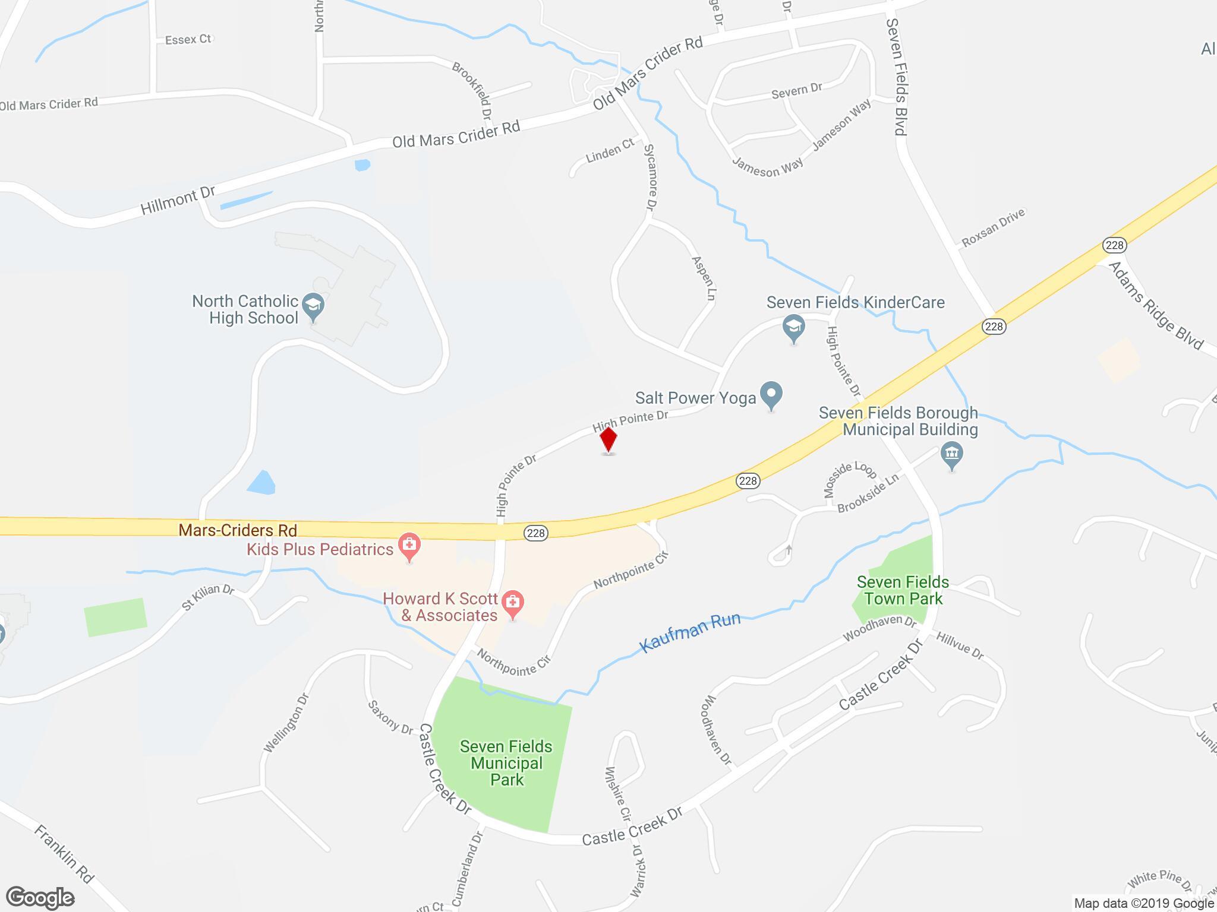
Personal Tax: Income Tax |  |  | $52,369.76 |  | $17,456.59
Personal Tax: NonTaxes (Fines- Fees |  |  | $5,948.70 |  | $5,948.70
Personal Tax: Motor Vehicle License |  |  | $2,067.76 |  | $2,067.76
Personal Tax: Property Taxes |  |  | $847.60
Personal Tax: Other Tax (Fish/Hunt) |  |  | $1,294.91 |  | $1,294.91
Total | $1,122.37 | $33,632.94 | $62,528.73 | $8,360.76 | $47,609.14

Job Creation (Projected) |  |  |  | IMPLAN Code(s)
Planned Development - Description | Total Square Feet | Employee Per SF | Total New Jobs
Retail | 13,987 | 382 | 37 | 396,397,398,399,400,401,402,403,404,405,406,407
Medical Office | 12,000 | 452 | 27 | 475 - Physican Offices
Restaurant | 4,614 | 248 | 19 | 501 - Full - Service Restaurant
Drive - Thru Restaurant | 1,799 | 150 | 12 | 502 - Limited Service Restaurant
TOTAL | 32,400 |  | 94

Total Impact Sumary
Impact Type | Employment | Labor Income ($) | Value Added ($) | Output ($)
Direct Effect | 94.00 | $5,271,025.21 | $5,965,838.96 | $9,246,621.99
Indirect Effect | 14.90 | $768,560.62 | $1,245,921.54 | $2,126,771.42
Induced Effect | 29.58 | $1,243,910.71 | $2,162,885.36 | $3,692,479.38
Total Effect | 139.49 | $7,283,496.54 | $9,374,645.86 | $15,065,872.79

Employee Compensation
 | Direct ($) | Indirect ($) | Induced ($) | Total ($)
Total | $4,987,672.00 | $659,488.00 | $1,090,725.00 | $6,737,884.00

Tax Impact - State and Local
Description | Employee Compensation | Tax on Production and Imports | Households | Corporations | Estimated State Taxes
Dividends |  |  |  | $266.77
Social Ins Tax- Employee Contribution | $897.91
Social Ins Tax- Employer Contribution | $1,880.86
TOPI: Sales Tax |  | $165,424.38 |  |  | $165,424.38
TOPI: Property Tax |  | $119,818.93
TOPI: Motor Vehicle Lic |  | $2,850.63 |  |  | $2,850.63
TOPI: Other Taxes |  | $26,016.99 |  |  | $26,016.99
TOPI: S/L NonTaxes |  | $924.92 |  |  | $924.92
Corporate Profits Tax |  |  |  | $3,844.27
Personal Tax: Income Tax |  |  | $108,416.52 |  | $36,138.84
Personal Tax: NonTaxes (Fines- Fees |  |  | $12,315.07 |  | $12,315.07
Personal Tax: Motor Vehicle License |  |  | $4,280.71 |  | $4,280.71
Personal Tax: Property Taxes |  |  | $1,754.71
Personal Tax: Other Tax (Fish/Hunt) |  |  | $2,680.73 |  | $2,680.73
Total | $2,778.76 | $315,035.84 | $129,447.74 | $4,111.04 | $250,632.26

Development # 8: 500 Northpointe Circle, Mars, PA (Source: LoopNet) - Speculative

Land Acquisition Investment
Total Acres Available | 1.08 | acres
Estimated Land Market Value per Acre | $763,889 | per acre
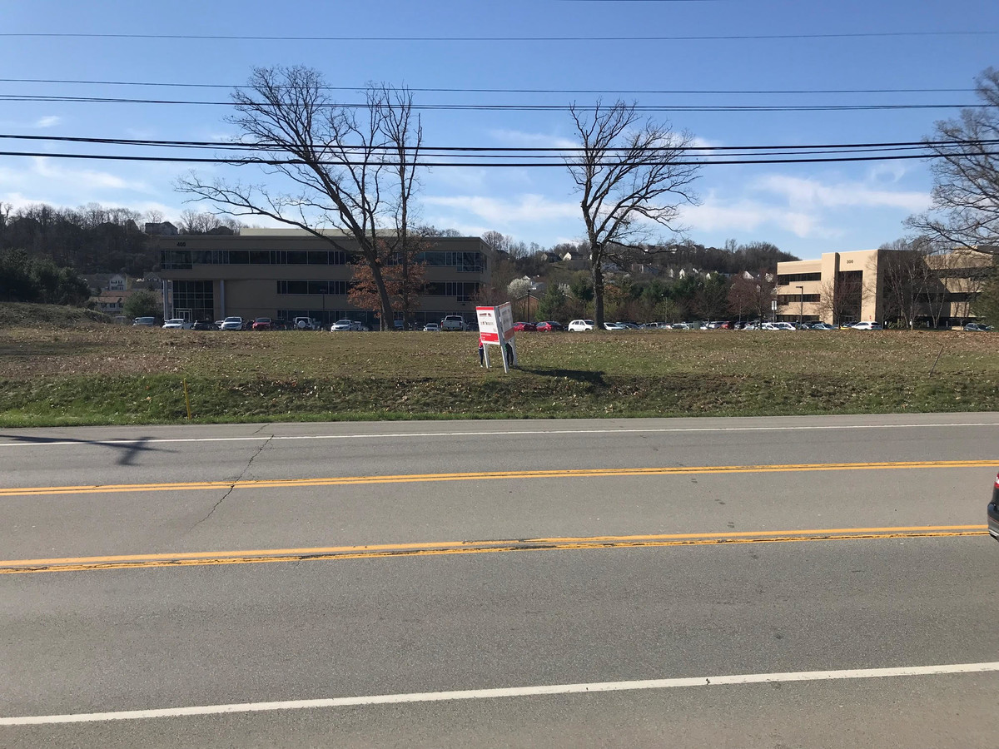
Total Land Value | $825,000

Land Use
1. Impact analysis based on preliminary plans for 9,365 SF retail center.

Retail 9,365 SF | % of Total | Cost Per SF | Cost
Total |  | $94.78 | $887,615
Contractor Fees (GC,Overhead,Profit) | 25% | $23.70 | $221,904
Architectural Fees | 7% | $8.29 | $77,666
Total Building Cost |  | $126.77 | $1,187,185

Construction Costs (Estimated)
Vertical Construction - Description | Total Square Feet | Private Investment
Retail | 9,365 | $1,187,185
TOTAL | 9,365 | $1,187,185

Land Acqusition Costs | $825,000
Vertical Consruction | $1,187,185
TOTAL PRIVATE INVESTMENT | $2,012,184.65 |  | IMPLAN Code 57

Total Impact Sumary
Impact Type | Employment | Labor Income ($) | Value Added ($) | Output ($)
Direct Effect | 9.19 | $532,139.98 | $677,761.53 | $1,187,185.00
Indirect Effect | 1.21 | $77,619.17 | $118,372.67 | $215,915.18
Induced Effect | 2.97 | $124,969.32 | $217,447.57 | $371,102.62
Total Effect | 13.38 | $734,728.46 | $1,013,581.77 | $1,774,202.79

Employee Compensation
 | Direct ($) | Indirect ($) | Induced ($) | Total ($)
Total | $451,331.00 | $68,786.00 | $109,578.00 | $629,695.00

Tax Impact - State and Local
Description | Employee Compensation | Tax on Production and Imports | Households | Corporations | Estimated State Taxes
Dividends |  |  |  | $107.43
Social Ins Tax- Employee Contribution | $81.25
Social Ins Tax- Employer Contribution | $170.20
TOPI: Sales Tax |  | $4,457.33 |  |  | $4,457.33
TOPI: Property Tax |  | $3,228.50
TOPI: Motor Vehicle Lic |  | $76.81 |  |  | $76.81
TOPI: Other Taxes |  | $701.02 |  |  | $701.02
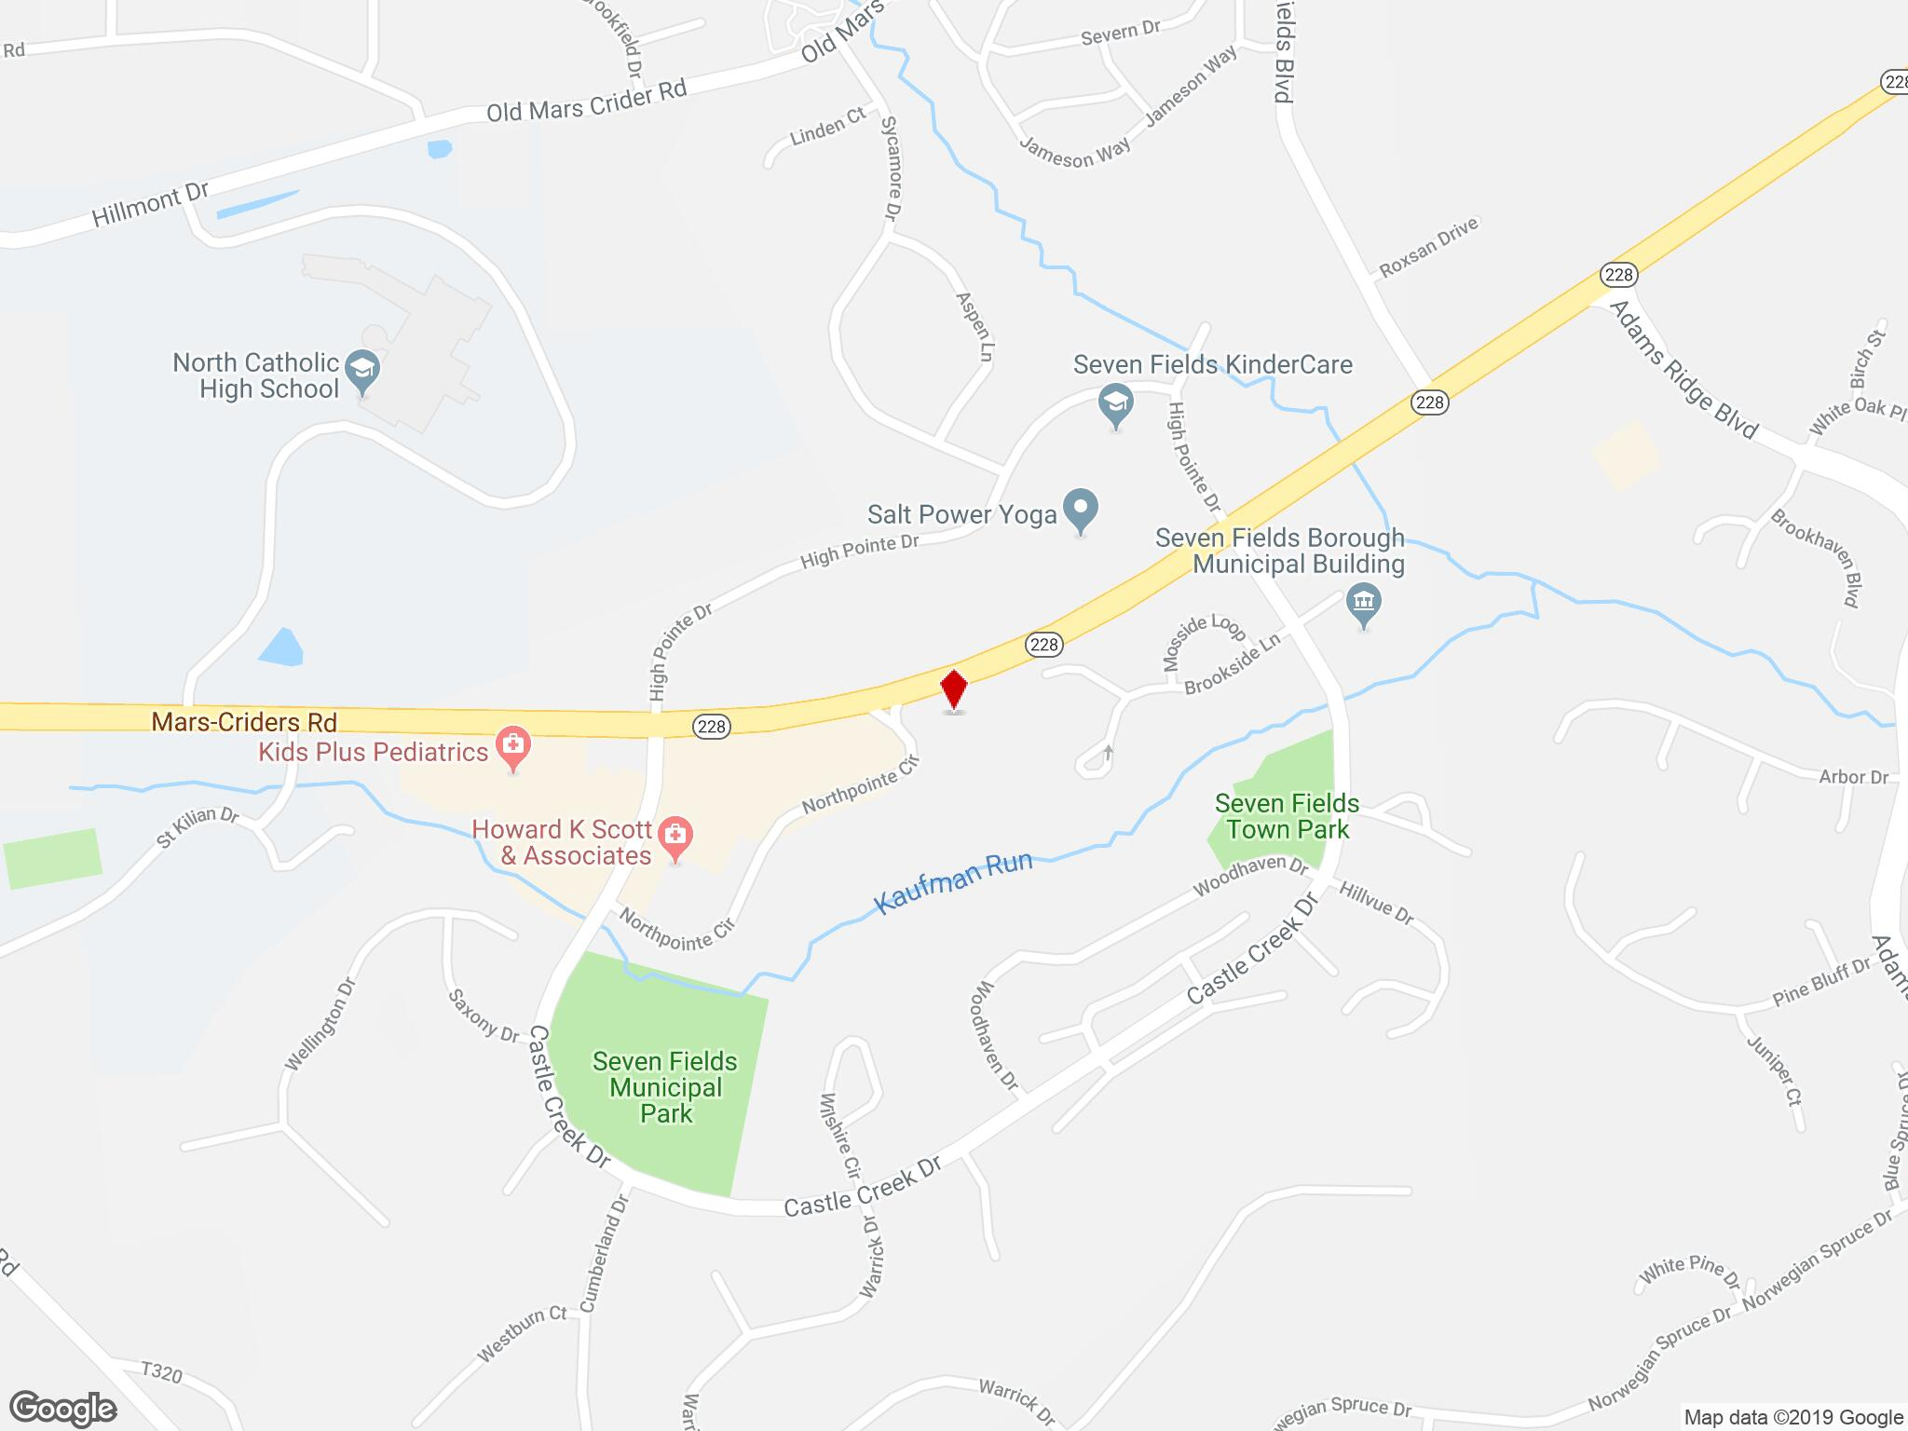
TOPI: S/L NonTaxes |  | $24.92 |  |  | $24.92
Corporate Profits Tax |  |  |  | $1,548.09
Personal Tax: Income Tax |  |  | $11,034.72 |  | $3,678.24
Personal Tax: NonTaxes (Fines- Fees |  |  | $1,253.44 |  | $1,253.44
Personal Tax: Motor Vehicle License |  |  | $435.69 |  | $435.69
Personal Tax: Property Taxes |  |  | $178.60
Personal Tax: Other Tax (Fish/Hunt) |  |  | $272.85 |  | $272.85
Total | $251.45 | $8,488.58 | $13,175.29 | $1,655.52 | $10,900.30

Job Creation (Projected) |  |  |  | IMPLAN Code(s)
Planned Development - Description | Total Square Feet | Employee Per SF | Total New Jobs
Retail | 9,365 | 382 | 25 | 396,397,398,399,400,401,402,403,404,405,406,407
TOTAL | 9,365 |  | 25

Total Impact Sumary
Impact Type | Employment | Labor Income ($) | Value Added ($) | Output ($)
Direct Effect | 25.00 | $829,069.64 | $1,103,325.52 | $1,820,753.74
Indirect Effect | 3.62 | $182,892.35 | $303,831.94 | $523,836.01
Induced Effect | 4.94 | $207,489.70 | $361,011.25 | $616,130.84
Total Effect | 34.56 | $1,219,451.69 | $1,768,168.71 | $2,960,720.58

Employee Compensation
 | Direct ($) | Indirect ($) | Induced ($) | Total ($)
Total | $716,154.00 | $154,308.00 | $181,935.00 | $1,052,396.00

Tax Impact - State and Local
Description | Employee Compensation | Tax on Production and Imports | Households | Corporations | Estimated State Taxes
Dividends |  |  |  | $95.40
Social Ins Tax- Employee Contribution | $128.93
Social Ins Tax- Employer Contribution | $270.06
TOPI: Sales Tax |  | $71,098.76 |  |  | $71,098.76
TOPI: Property Tax |  | $51,497.71
TOPI: Motor Vehicle Lic |  | $1,225.19 |  |  | $1,225.19
TOPI: Other Taxes |  | $11,182.00 |  |  | $11,182.00
TOPI: S/L NonTaxes |  | $397.53 |  |  | $397.53
Corporate Profits Tax |  |  |  | $1,374.82
Personal Tax: Income Tax |  |  | $17,169.75 |  | $5,723.25
Personal Tax: NonTaxes (Fines- Fees |  |  | $1,950.32 |  | $1,950.32
Personal Tax: Motor Vehicle License |  |  | $677.93 |  | $677.93
Personal Tax: Property Taxes |  |  | $277.89
Personal Tax: Other Tax (Fish/Hunt) |  |  | $424.54 |  | $424.54
Total | $398.99 | $135,401.20 | $20,500.43 | $1,470.23 | $92,679.52

Development # 9: Adams Pointe Square (Source: LoopNet) - Proposed

Land Use
1. Impact analysis based on preliminary plans for 36,117 SF of community center based retail.
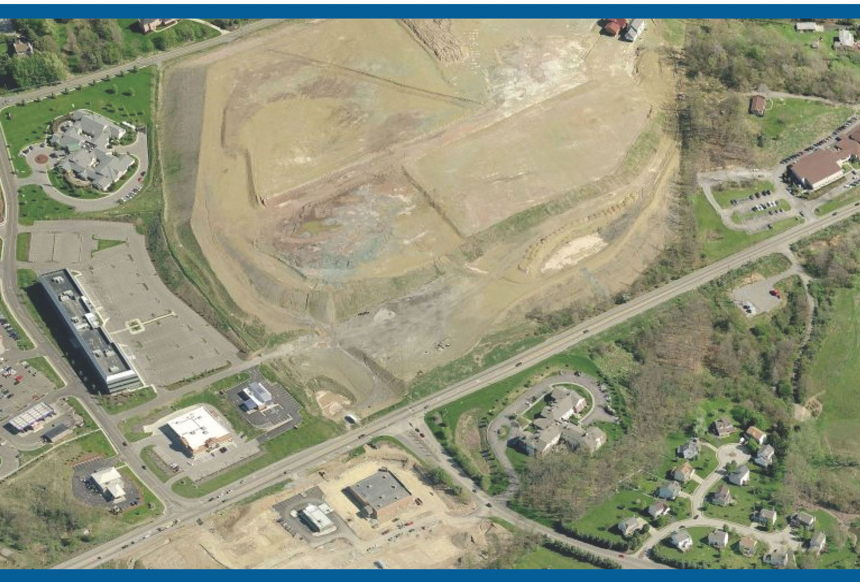
Community Shopping Center - 36,117 SF | % of Total | Cost Per SF | Cost
Total |  | $113.31 | $4,092,417
Contractor Fees (GC,Overhead,Profit) | 25% | $28.33 | $1,023,104
Architectural Fees | 8% | $11.33 | $409,242
Total Building Cost |  | $152.97 | $5,524,763

TOTAL PRIVATE INVESTMENT | $5,524,763 |  | IMPLAN Code 58

Total Impact Sumary
Impact Type | Employment | Labor Income ($) | Value Added ($) | Output ($)
Direct Effect | 39.87 | $2,365,660.31 | $3,088,520.72 | $5,524,763.00
Indirect Effect | 7.70 | $435,190.07 | $658,769.39 | $1,165,301.42
Induced Effect | 13.59 | $570,654.89 | $993,789.25 | $1,695,348.67
Total Effect | 61.16 | $3,371,505.27 | $4,741,079.35 | $8,385,413.10

Employee Compensation
 | Direct ($) | Indirect ($) | Induced ($) | Total ($)
Total | $1,741,173.00 | $373,962.00 | $500,361.00 | $2,615,496.00

Tax Impact - State and Local
Description | Employee Compensation | Tax on Production and Imports | Households | Corporations | Estimated State Taxes
Dividends |  |  |  | $545.74
Social Ins Tax- Employee Contribution | $313.45
Social Ins Tax- Employer Contribution | $656.60
TOPI: Sales Tax |  | $14,814.71 |  |  | $14,814.71
TOPI: Property Tax |  | $10,730.48
TOPI: Motor Vehicle Lic |  | $255.29 |  |  | $255.29
TOPI: Other Taxes |  | $2,329.97 |  |  | $2,329.97
TOPI: S/L NonTaxes |  | $82.83 |  |  | $82.83
Corporate Profits Tax |  |  |  | $7,864.31
Personal Tax: Income Tax |  |  | $49,510.03 |  | $16,503.34
Personal Tax: NonTaxes (Fines- Fees |  |  | $5,623.86 |  | $5,623.86
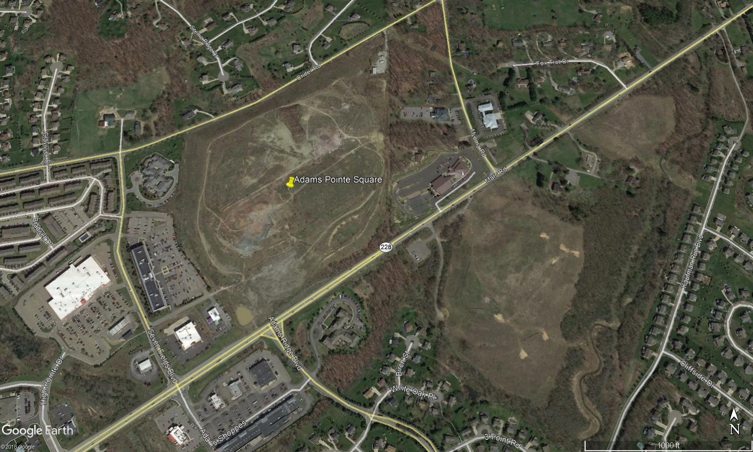
Personal Tax: Motor Vehicle License |  |  | $1,954.85 |  | $1,954.85
Personal Tax: Property Taxes |  |  | $801.32
Personal Tax: Other Tax (Fish/Hunt) |  |  | $1,224.20 |  | $1,224.20
Total | $970.05 | $28,213.28 | $59,114.25 | $8,410.05 | $42,789.05

Job Creation (Projected) |  |  |  | IMPLAN Code(s)
Planned Development - Description | Total Square Feet | Employee Per SF | Total New Jobs
Community Center Retail | 36,117 | 400 | 90 | 396,397,398,399,400,401,402,403,404,405,406,407
TOTAL | 36,117 |  | 90

Total Impact Sumary
Impact Type | Employment | Labor Income ($) | Value Added ($) | Output ($)
Direct Effect | 90.00 | $3,015,334.60 | $4,044,381.87 | $6,727,361.92
Indirect Effect | 13.52 | $679,166.01 | $1,132,003.68 | $1,952,798.66
Induced Effect | 18.02 | $757,116.81 | $1,317,405.55 | $2,248,310.94
Total Effect | 120.53 | $4,451,617.42 | $6,493,791.09 | $10,928,471.51

Employee Compensation
 | Direct ($) | Indirect ($) | Induced ($) | Total ($)
Total | $2,574,343.00 | $571,693.00 | $663,868.00 | $3,809,904.00

Tax Impact - State and Local
Description | Employee Compensation | Tax on Production and Imports | Households | Corporations | Estimated State Taxes
Dividends |  |  |  | $368.28
Social Ins Tax- Employee Contribution | $463.45
Social Ins Tax- Employer Contribution | $970.79
TOPI: Sales Tax |  | $260,727.34 |  |  | $260,727.34
TOPI: Property Tax |  | $188,848.05
TOPI: Motor Vehicle Lic |  | $4,492.92 |  |  | $4,492.92
TOPI: Other Taxes |  | $41,005.70 |  |  | $41,005.70
TOPI: S/L NonTaxes |  | $1,457.77 |  |  | $1,457.77
Corporate Profits Tax |  |  |  | $5,307.07
Personal Tax: Income Tax |  |  | $62,498.50 |  | $20,832.83
Personal Tax: NonTaxes (Fines- Fees |  |  | $7,099.23 |  | $7,099.23
Personal Tax: Motor Vehicle License |  |  | $2,467.68 |  | $2,467.68
Personal Tax: Property Taxes |  |  | $1,011.53
Personal Tax: Other Tax (Fish/Hunt) |  |  | $1,545.35 |  | $1,545.35
Total | $1,434.23 | $496,531.77 | $74,622.29 | $5,675.35 | $339,628.82

Development # 10: 560 Beaver Street Extension and Route 228 (Source: LoopNet) - Speculative

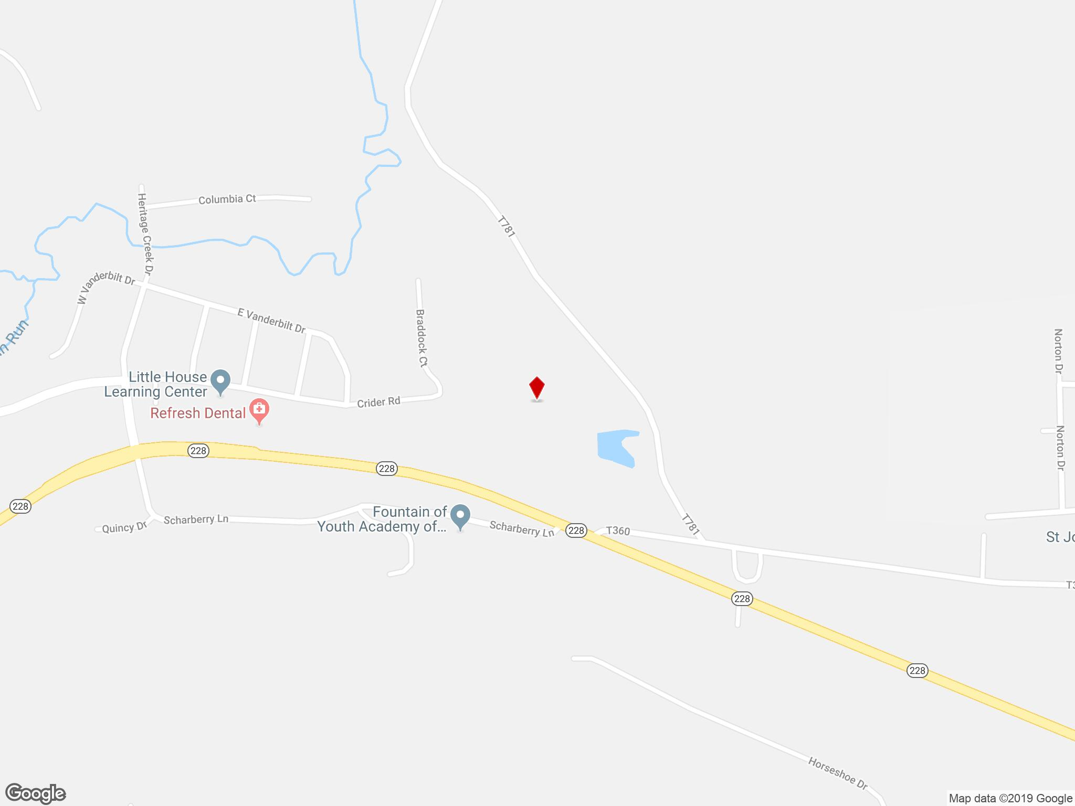
Land Acquisition Investment
Total Available Acres | 10.04 | acres
Cost Per Acre | $119,023.90 | cost per acre
Total Market Value and Acres | $1,195,000

Land Use
1. For the purposes of this analysis, speculative development is based on current zoning for the site. (P-1: Retail/Office) 2. Assumes 1/3 of speculative development will result in new office space.

Developable Land
Total Acres | 10.04
Undevelopable Land, Imprevious Surface, Landscaping | 70%
Remaining Land (30%) | 7.03
TOTAL DEVELOPABLE ACRES | 7.03
Available SF per Acre | 2,900
TOTAL DEVELOPMENT - SF | 20,381

Office - 6,794 SF | % of Total | Cost Per SF | Cost
Total |  | $160.88 | $1,093,019
Contractor Fees (GC,Overhead,Profit) | 25% | $40.22 | $273,255
Architectural Fees | 7% | $14.08 | $95,639
Total Building Cost |  | $215.18 | $1,461,913

Retail - 13,587 SF | % of Total | Cost Per SF | Cost
Total |  | $94.78 | $1,325,688
Contractor Fees (GC,Overhead,Profit) | 25% | $23.70 | $331,422
Architectural Fees | 7% | $8.29 | $115,998
Total Building Cost |  | $126.77 | $1,773,108

Construction Costs (Estimated)
Vertical Construction - Description | Total Square Feet | Private Investment
Office | 6,794 | $1,461,912.54
Retail | 13,587 | $1,773,107.51
TOTAL | 20,381 | $3,235,020.05

Land Acqusition Costs | $1,195,000
Vertical Consruction | $3,235,020
TOTAL PRIVATE INVESTMENT | $4,430,020.05 |  | IMPLAN Code 57

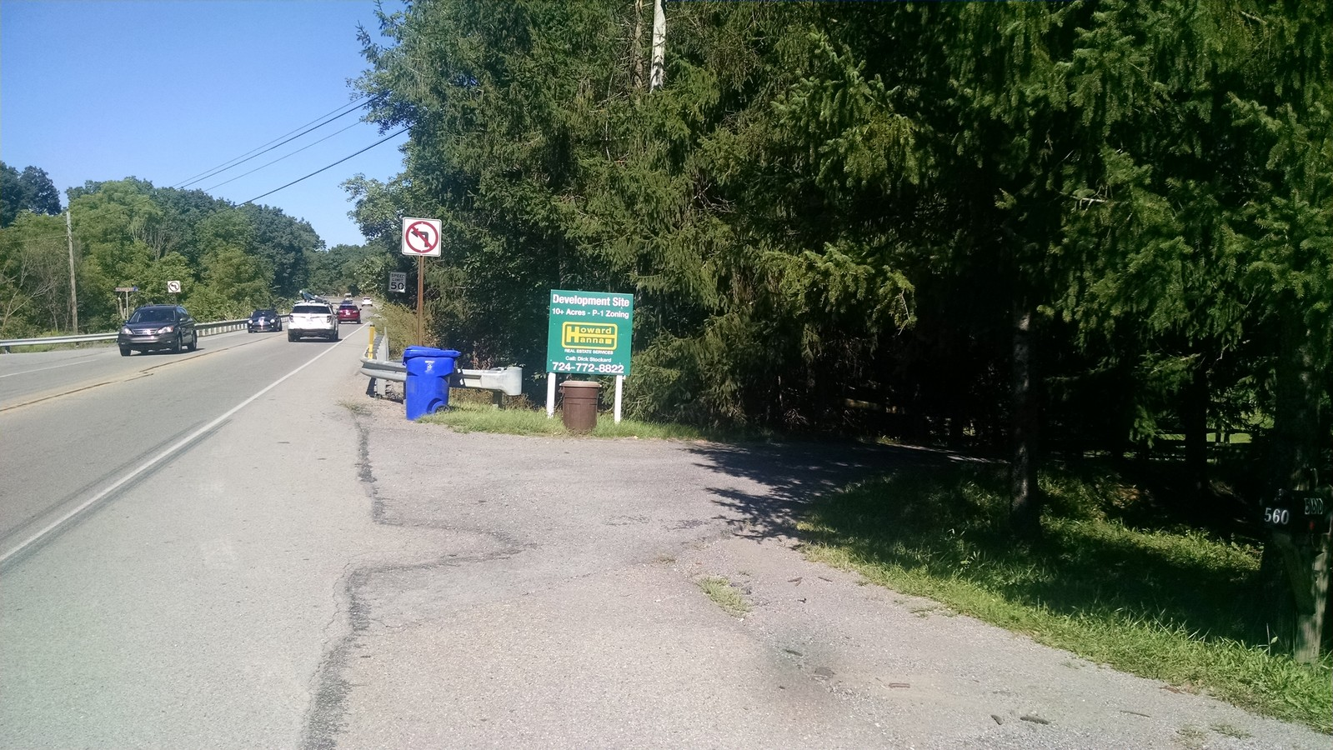
Total Impact Sumary
Impact Type | Employment | Labor Income ($) | Value Added ($) | Output ($)
Direct Effect | 25.05 | $1,450,054.93 | $1,846,866.40 | $3,235,020.00
Indirect Effect | 3.30 | $211,508.36 | $322,559.62 | $588,358.10
Induced Effect | 8.10 | $340,535.16 | $592,533.81 | $1,011,236.15
Total Effect | 36.45 | $2,002,098.46 | $2,761,959.83 | $4,834,614.25

Employee Compensation
 | Direct ($) | Indirect ($) | Induced ($) | Total ($)
Total | $1,229,855.00 | $187,439.00 | $298,594.00 | $1,715,887.00

Tax Impact - State and Local
Description | Employee Compensation | Tax on Production and Imports | Households | Corporations | Estimated State Taxes
Dividends |  |  |  | $292.74
Social Ins Tax- Employee Contribution | $221.40
Social Ins Tax- Employer Contribution | $463.78
TOPI: Sales Tax |  | $12,146.00 |  |  | $12,146.00
TOPI: Property Tax |  | $8,797.50
TOPI: Motor Vehicle Lic |  | $209.30 |  |  | $209.30
TOPI: Other Taxes |  | $1,910.25 |  |  | $1,910.25
TOPI: S/L NonTaxes |  | $67.91 |  |  | $67.91
Corporate Profits Tax |  |  |  | $4,218.46
Personal Tax: Income Tax |  |  | $30,069.06 |  | $10,023.02
Personal Tax: NonTaxes (Fines- Fees |  |  | $3,415.55 |  | $3,415.55
Personal Tax: Motor Vehicle License |  |  | $1,187.24 |  | $1,187.24
Personal Tax: Property Taxes |  |  | $486.67
Personal Tax: Other Tax (Fish/Hunt) |  |  | $743.49 |  | $743.49
Total | $685.18 | $23,130.96 | $35,902.01 | $4,511.20 | $29,702.77

Job Creation (Projected) |  |  |  | IMPLAN Code(s)
Planned Development - Description | Total Square Feet | Employee Per SF | Total New Jobs
Office | 6,794 | 359 | 19 | 427,433,437,449,461,462,463,468
Retail | 13,587 | 382 | 36 | 396,397,398,399,400,401,402,403,404,405,406,407
TOTAL | 20,381 |  | 54

Total Impact Sumary
Impact Type | Employment | Labor Income ($) | Value Added ($) | Output ($)
Direct Effect | 54.00 | $2,221,757.25 | $3,403,898.10 | $6,056,423.09
Indirect Effect | 13.73 | $674,203.10 | $1,050,111.98 | $1,924,636.37
Induced Effect | 14.14 | $594,287.42 | $1,033,873.31 | $1,764,593.94
Total Effect | 79.87 | $3,490,247.76 | $5,487,883.39 | $9,745,653.39
...

